Pump
File name | Pump.hsc
Unit Operation | P-100

Workflow
1. Open attached Pump.hsc file.
2. Click on the Datasheet button on the riibon.
3. Select a server to connect, then connect to a workspace.
4. Go to Mapper tab, click on the hyperlink of P-100 to open Object Mapping screen.
5. Select 'CentrifugalPmup' for the MapAs Column, and 'Create' for Workspace Object column.
6. Make sure the ports of the Pump are mapped automated.
7. Click on Close icon at the top right to close the Object Mapping screen.
8. Click Save Change and Transfer button. Make sure P-100 is created and data transfer complete dialog pops up. Click OK to close it.

Expected Results |  | Notes: Existing Defect CQ00770284 V10 [SM]-Hysys-Pump:Differential Pressure is incorrect

Pump (CQ00734580) |  |  |  |  |  | OtherValues |  | MaterialPorts | Nozzles
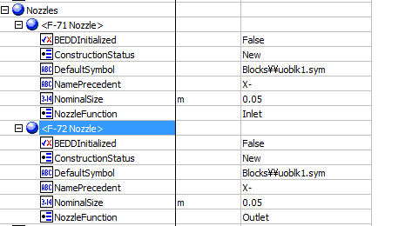
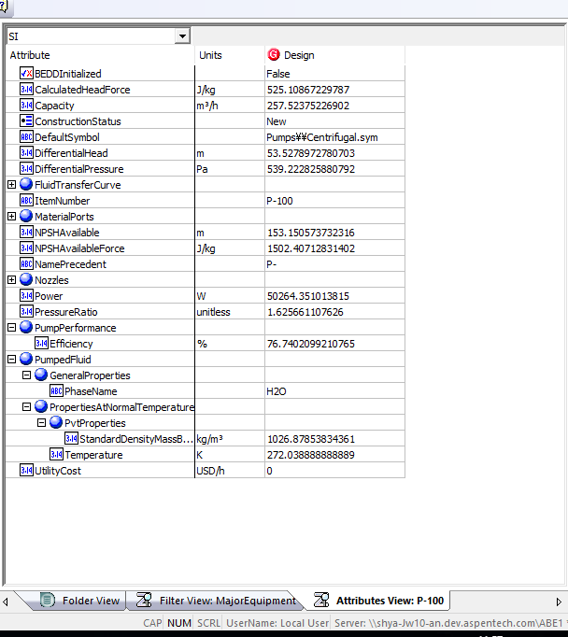
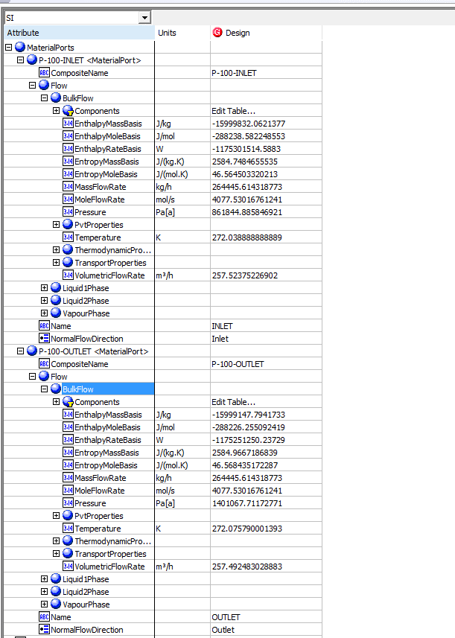
Index Number | Attributes | AbeAdsPump Class View | ABE Default View | Hysys Value | Unit

1 | Capacity/Volumetirc flow rate | Volumetric Flow In | Capacity | 257.52375433 | m3/h
2 | Suction Pressure | Pressure In | MaterialPorts[Name="Inlet"].Flow.BulkFlow.Pressure | 861.84488585 | kPa
3 | Discharge Pressure | Pressure Out | MaterialPorts[Name="Outlet"].Flow.BulkFlow.Pressure | 1401.0677117 | kPa
4 | Differential Pressure | Pressure Drop | Differential Pressure | 539.22282588 | kPa
5 | Differential Head | Calculated Head | DifferentialHead | 53.527897278 | m
6 | NPSH avaiable | NPSH avaiable | NPSH avaiable | 153.15057373 | m
7 | Pump Fluid | Pump Fluid | Pump Fluid | H2O
8 | Specific heat | Specific Heat | PumpedFluid.PropertiesAtNormalTemperature.ThermodynamicProperties.HeatCapacityConstantPressureMassBasis | 77.927827347 | kJ/kgmole-C
9 | Adiabatic efficiency | Adiabatic efficiency | PumpPerformance.Efficiency | 76.740209921 | %
10 | Inlet Nozzle size | Inlet Nozzle size | Nozzles.Inlet Nozzle size | 0.05 | m
11 | Outlet Nozzle size | Outlet Nozzle size | Nozzles.Outlet Nozzle size | 0.05 | m
12 | total Power | FluidPower | Power | 50.264351014 | kW
13 | Viscosity | Viscosity | Viscosity | Blank | cP
14 | Inlet Temperature | Temperature In | PumpedFluid.PropertiesAtNormalTemperature.Temperature | 272.03888889 | K
15 | Inlet mass density | Inlet mass density | PumpedFluid.PropertiesAtNormalTemperature.PvtProperties.StandardDensityMassBasis | 1026.8785383 | kg/m3
16 | Pressure Ratio | Pressure Ratio | Pressure Ratio | 1.6256611076

Pump Curve (CQ00734580)

Index Number | Classview Attributes | Ads (AdbPump) | Hysys Value | Unit

19 | Curves[].CurveData[].Efficiency | Curves[].Points[].Efficiency
 |  |  | 60 | %
 |  |  | 65 | %
 |  |  | 70 | %
 |  |  | 72 | %
 |  |  | 76 | % |  |  | Pump Curve
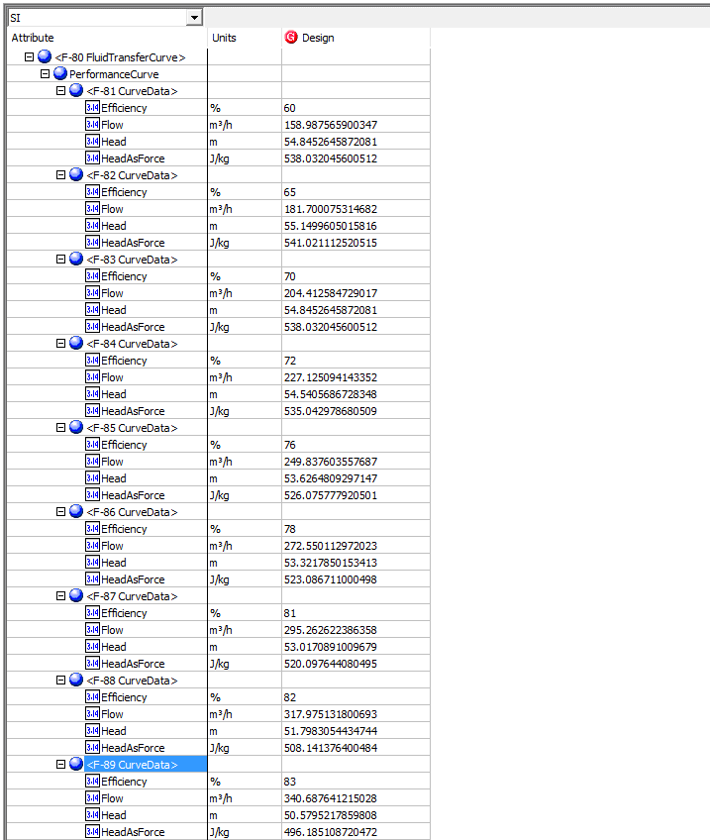
 |  |  | 78 | %
 |  |  | 81 | %
 |  |  | 82 | %
 |  |  | 83 | %

17 | Curves[].CurveData[].Flow | Curves[].Points[].Flow
 |  |  | 158.9875659 | m3/h
 |  |  | 181.70007531 | m3/h
 |  |  | 204.41258473 | m3/h
 |  |  | 227.12509414 | m3/h
 |  |  | 249.83760656 | m3/h
 |  |  | 272.55011297 | m3/h
 |  |  | 295.26262239 | m3/h
 |  |  | 317.9751318 | m3/h
 |  |  | 340.68764122 | m3/h

18 | Curves[].CurveData[].Head | Curves[].Points[].Head
 |  |  | 54.845264587 | m
 |  |  | 55.149960502 | m
 |  |  | 54.845264587 | m
 |  |  | 54.540568673 | m
 |  |  | 53.62648093 | m
 |  |  | 53.321785015 | m
 |  |  | 53.017089101 | m
 |  |  | 51.798305443 | m
 |  |  | 50.579521786 | m

Compressor
File name | Compressor Curves.hsc
Unit Operation | K-100

Workflow
1. Open attached Compressor Curves.hsc file.
2. Click on Datasheet button, select a server and workspace to connect .
3. Click on Mapper tab, click on the hyperlink of K-100, map K-100 as centrifugal compressor, and select Create for Workspace Object column.
4. Close the Object Mapping screen, click Save Change and Transfer.
5. Back to ABE Explorer, doube click on the object to see the attributes. Make sure all data can be transferred to ABE correctly.

Expected Results |  | Notes: Existing Defect CQ00768926 V10 [SM] - Hysys- Compressor: StandardVaporVolumetric FlowRate is incorrect |  |  |  | In ABE | MaterialPorts-Inlet | MaterialPorts-Outlet
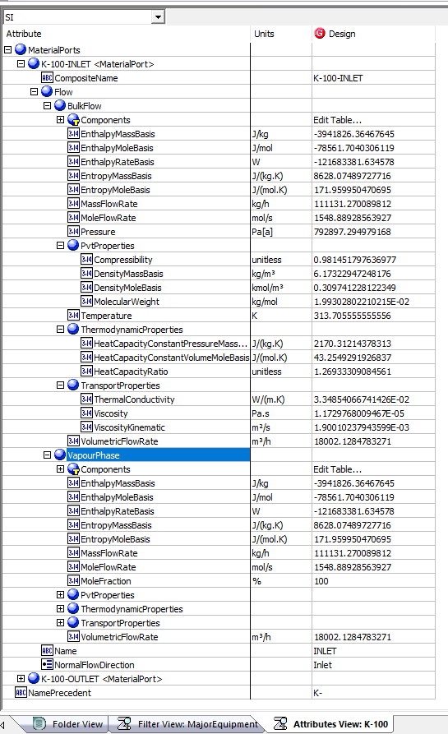
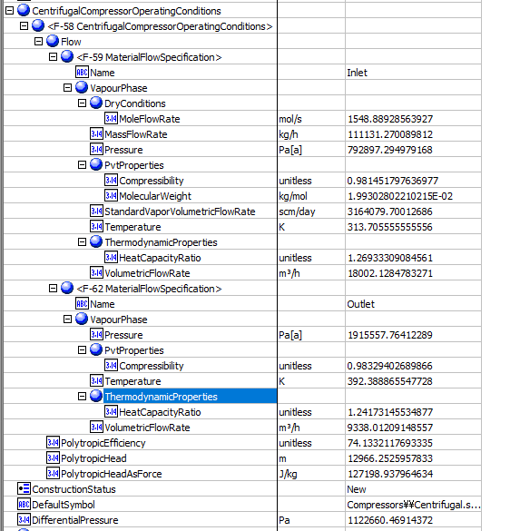
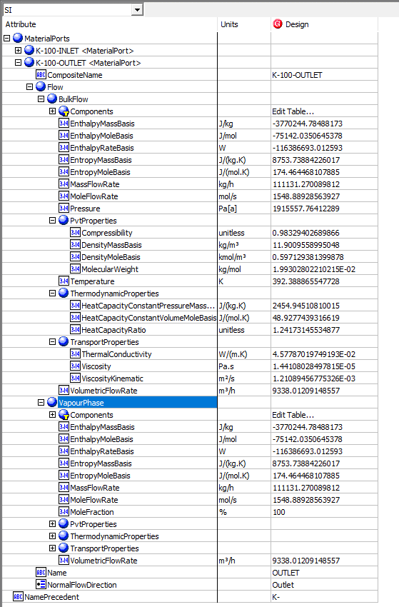
Compressor(CQ00744505)

Index Number | Attributes | AbeAds Compressor Class View | Abe Default Attributes View | Hysys value | Unit

1 | Standard Volumetric Flowrate (STD_m3/h) | StandardVaporVolumetricFlowRate (scm/day) | CentrifugalCompressorOperatingConditions(1).Flow[Name=Inlet].VapourPhase.StandardVaporVolumetricFlowRate | 131841.41133 | (STD_m3/h)
2 | Mass Flow Rate (kg/h) | Mass Flow In (kg/h) | CentrifugalCompressorOperatingConditions(1).Flow[Name=Inlet].VapourPhase.MassFlowRate | 111131.27098 | kg/h
3 | Inlet Pressure (kPa) | Pressure In (Pa[a]) | CentrifugalCompressorOperatingConditions(1).Flow[Name=Inlet].VapourPhase.Pressure | 792.89729498 | kPa
4 | Inelet Temperature (K) | Temperature In (K) | CentrifugalCompressorOperatingConditions(1).Flow[Name=Inlet].VapourPhase.Temperature | 313.70555556 | K
5 | Molecular Weight | MolecularWeight (kg/mol) | CentrifugalCompressorOperatingConditions(1).Flow[Name=Inlet].VapourPhase.PvtProperties.MolecularWeight | 19.930280221 | g/mol
6 | Inlet Cp/Cv | SpecificHeatRatioIn | CentrifugalCompressorOperatingConditions(1).Flow[Name=Inlet].VapourPhase.ThermodynamicProperties.HeatCapacityRatio | 1.2693330908
7 | Inlet Z factor | CompressibiltyIn | CentrifugalCompressorOperatingConditions(1).Flow[Name=Inlet].VapourPhase.PvtProperties.Compressibility | 0.98145179764
8 | Inlet Volumetric Flowrate(ACT_m3/h) | VolumetricFlowIn (m3/h) | CentrifugalCompressorOperatingConditions(1).Flow[Name=Inlet].VapourPhase.VolumetricFlowRate | 18002.128622 | (ACT_m3/h)
9 | Discharge Pressure(kPa) | Pressure Out (Pa[a]) | CentrifugalCompressorOperatingConditions(1).Flow[Name=Outlet].VapourPhase.Pressure | 1915.5577641 | kPa
10 | Discharge Temperature (K) | Temperature Out (K) | CentrifugalCompressorOperatingConditions(1).Flow[Name=Outlet].VapourPhase.Temperature | 392.38886555
11 | Discharge Cp/Cv | SpecificHeatRatioOut | CentrifugalCompressorOperatingConditions(1).Flow[Name=Outlet].VapourPhase.ThermodynamicProperties.HeatCapacityRatio | 1.2417314553
12 | Discharge Z factor | Compressibiltyout | CentrifugalCompressorOperatingConditions(1).Flow[Name=Outlet].VapourPhase.PvtProperties.Compressibility | 0.9832940269
13 | Polytropic Head (m) | PolytropicHead (m) | CentrifugalCompressorOperatingConditions(1).PolytropicHead | 12970.681932 | m
14 | Polytropic Efficiency/Isentropic | PolytropicEfficiency (%) | CentrifugalCompressorOperatingConditions(1).PolytropicEfficiency | 74.133211769 | %
16 | Mole Flow Rate (gmole/s) | MolarFlowIn (mol/s) | CentrifugalCompressorOperatingConditions(1).Flow[Name=Inlet].VapourPhase.DryConditions.MoleFlowRate | 1548.8892856 | gmole/s
20 | Volumetric flowOut (ACT_m3/h) | VolumetricFlowOut (m3/h) | VolumetricFlowOut (m3/h) | 9338.0121662 | (ACT_m3/h)
21 | Pressure Drop (kPa) | Pressure Drop (Pa) | Pressure Drop | 1123 | kPa

Compressor Curves(CQ00744505) |  |  |  |  |  | Compressor Curves in ABE

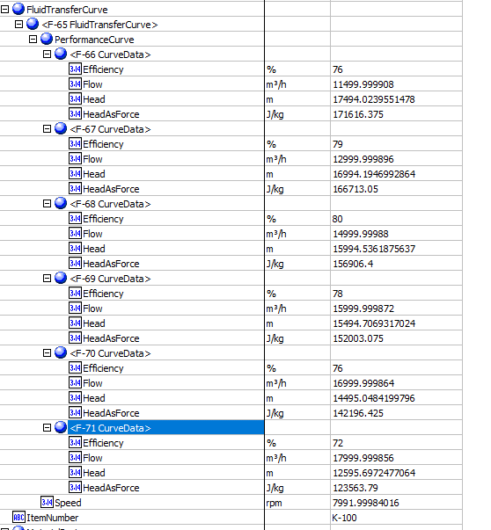
Index Number | Attributes | AbeAds Class View | Abe Default Attributes View | Hysys Data | Units

23 | Curve Speed (rpm) | Speed (rpm) | Curves.Speed (rpm) | 7991.9998402 | rmp

1 | Efficiency (%) | DataEfficiency (%) | Curves. PerformanceCurves.Efficiency (fraction)
 | 1 |  | 1 | 76 | %
 | 2 |  | 2 | 79 | %
 | 3 |  | 3 | 80 | %
 | 4 |  | 4 | 78 | %
 | 5 |  | 5 | 76 | %
 | 6 |  | 6 | 72 | %

2 | Flow (ACT_m3/h) | DataFlow | Curves. PerformanceCurves.Flow (m3/h)
 | 1 |  | 1 | 11500 | ACT_m3/h
 | 2 |  | 2 | 13000 | ACT_m3/h
 | 3 |  | 3 | 15000 | ACT_m3/h
 | 4 |  | 4 | 16000 | ACT_m3/h
 | 5 |  | 5 | 17000 | ACT_m3/h
 | 6 |  | 6 | 18000 | ACT_m3/h

3 | Head (m) | DataHead | Curves. PerformanceCurves.Head (m)
 | 1 |  | 1 | 17500 | m
 | 2 |  | 2 | 17000 | m
 | 3 |  | 3 | 16000 | m
 | 4 |  | 4 | 15500 | m
 | 5 |  | 5 | 14500 | m
 | 6 |  | 6 | 12600 | m

3 | Head (m) | DataHead | Curves. PerformanceCurves.Head (m)
 | 1 |  | 1 | 17500 | m
 | 2 |  | 2 | 17000 | m
 | 3 |  | 3 | 16000 | m
 | 4 |  | 4 | 15500 | m
 | 5 |  | 5 | 14500 | m
 | 6 |  | 6 | 12600 | m

Multi- Compressor
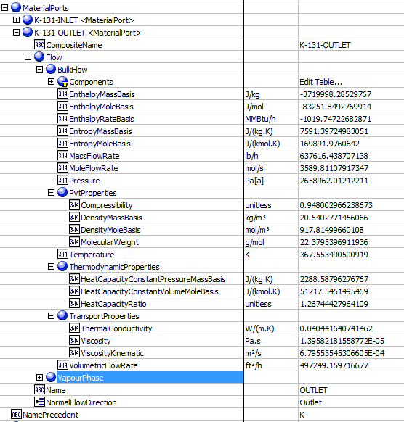
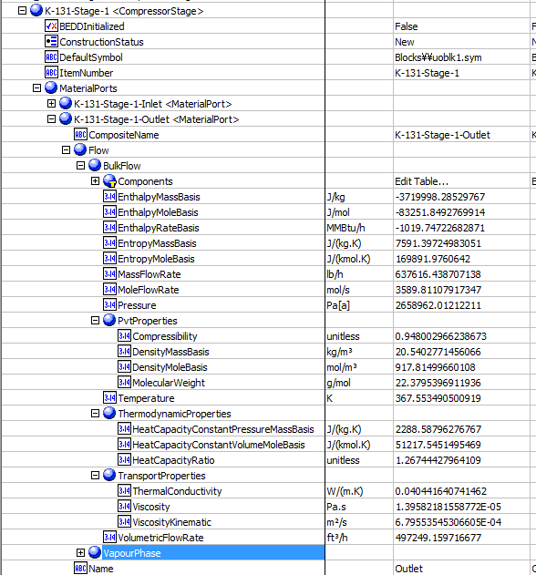
File name | ThreeStageCompressor.hsc
Unit Operation | K-100

Workflow (please see detailed test case on P4)
1. Open attached ThreeStageCompressor.hsc file.
2. Click on Datasheet button, select a server and workspace to connect .
3. Click on Mapper tab, click on the hyperlink of K-101, make sure Object Mapping screen opens, and the ports are mapped automactially in Port Mapping section.
4. Select "CompressorStage" under "Map As" column, and " Create" under "Workspace Object" column. Close the Object Mapping screen by clicking "x" at the top right corner.
5. Repeat step 4 for K-102 and K-103. Click Save Change and Transfer.
6. Click on the Explorer tab, create a Centrifuagl Compressor in by Equipment view. E.g. K-100
7. In the attribute view, click on "Show/Hide properties" icon, and select "Show All Atrribuetes".
8. Scroll down to "Stage", right click on Design column, and select "Insert Subobject" in the context menu.
9. Select "Existing Object" radio button, select K-101<CompressorStage>, and click OK. Make sure the stage name will chang to K-100-Stage-1 <CompressorStage>.
9. Repeate step 8 to insert K-102 and K-103.
10. Click on the "Execute Script" icon on aBar, and select "Stage Calculations" method. Select the created centrifugal compressor, click "Execute".
11. Back to the Attributes view, expand K-100 outlet material port, and verify the data is same as the outlet of the last stage listed under the Stage attributes.

Expected Results |  |  |  |  |  | Stages

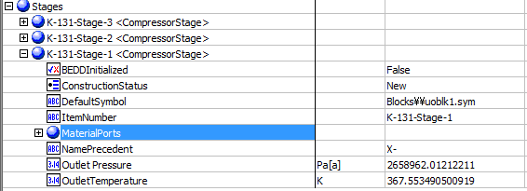
Multi-Compressors(CQ00730640)

K-101
Index Number | Attributes | AbeAds Class View | Abe Default Attributes View | Hysys Data | Units

9 | Discharge Pressure(kPa) | Pressure Out (Pa[a]) | Outlet Pressure (Pa[a]) | 1915.5577641 | kPa
10 | Discharge Temperature (K) | Temperature Out (K) | Outlet Temperature (K) | 392.38886555 | K

Compare Data

Created Compressor-Outlet |  |  |  |  | Last stage -Outlet

Expander
File name | deep cut terbo-expander plant.hsc
Unit Operation | gas turbine

Workflow
1. Open attached deep cut terbo-expander plant.hsc file.
2. Click on the Datasheet button, select a sever to connect, then select a workspace to connect.
3. Click on the Mapper tab, Mapper page opens.
4. Click on the hyperlink of gas turbine to open the Object Mapping screen.
5. Select Gas Turbine for Map As column, Create for Workspace column. Make sure the ports are mapped automatically in the Ports Mapping section.
6. Click on the "x" at the right top corner to close the Object Mapping screen.
7. Click Save Change and Transfer.
8. Click on "Explorer" tab, confirm gas turbine is shown in by Equipment view and all data are transferred correctly. Also you can check data in desktop Explorer, doube click on the object to see the attributes.

Expected Results |  | Notes: Existing Defect CQ00768924 V10 [SM]-Hysys-Expander: Polytropic and Adiabatic Efficiency is incorrect

Expander(CQ00748768)
 |  |  |  |  |  | In ABE
Index Number | Attributes | AbeAds Class View | Abe Default Attributes View | Hysys Value | Unit |  | Inlet | Outlet
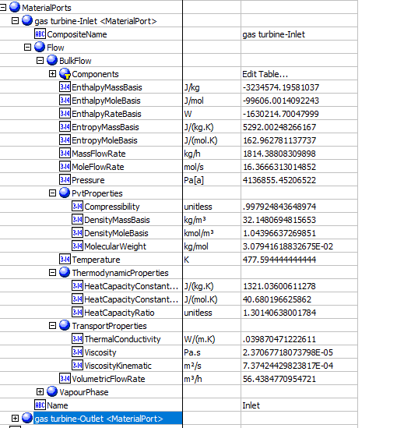
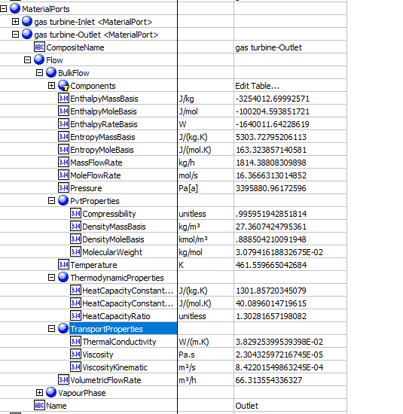
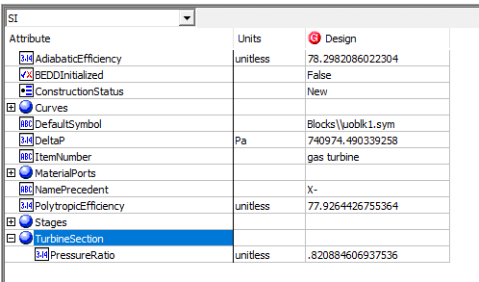
4 | CompressibilityIn (Z factor) | CompressibiltyIn (unitless) | Stages(1).MaterialPorts[Name="Inlet"].Flow.BulkFlow.PvtProperties.Compressibility(unitless) | 0.99792484365 | unitless
5 | CompressibilityOut | CompressibiltyOut(unitless) | Stages(1).MaterialPorts[Name="Outlet"].Flow.BulkFlow.PvtProperties.Compressibility(unitless) | 0.99595194285 | unitless
6 | IsentropicCoefficient (Efficiency) | IsentropicCoefficient | NO ABE Mapping provided | 78.298208602 | %
7 | Outlet Pressure(kPa) | PressureOut (Pa[a]) | Stages(1).MaterialPorts[Name="Outlet"].Flow.BulkFlow.Pressure (Pa[a]) | 3395.8809617 | kPa
8 | Outlet Temperature (K) | TemperatureOut (K) | Stages(1).MaterialPorts[Name="Outlet"].Flow.BulkFlow.Temperature (K) | 461.55966504 | kPa
9 | MassFlowin (kg/h) | MassFlowIn (kg/h) | Stages(1).MaterialPorts[Name="Inlet"].Flow.BulkFlow.MassFlowRate (kg/h) | 1814.3880976 | kg/h
10 | MoleFlowin (gmol/s) | MoleFlowIn (mol/s) | Stages(1).MaterialPorts[Name="Inlet"].Flow.BulkFlow.MoleFlowRate (mol/s) | 16.366631301 | gmol/s
11 | MassFlowOut (kg/h) | MassFlowOut (kg/hr) | Stages(1).MaterialPorts[Name="Outlet"].Flow.BulkFlow.MassFlowRate (kg/h) | 1814.3880976 | kg/h
12 | Moleflowout (gmol/s) | MoleFlowOut (mol/s) | Stages(1).MaterialPorts[Name="Outlet"].Flow.BulkFlow.MoleFlowRate (mol/s) | 16.366631301 | gmol/s
13 | EnthalpyFlowIn (kJ/kg) | EnthalpyFlowIn (J/kg) | Stages(1).MaterialPorts[Name="Inlet"].Flow.BulkFlow.EnthalpyMassBasis (J/kg) | -3234.5741958 | J/kg
14 | EnthalpyFlowOut (kJ/kg) | EnthalpyFlowOut (J/kg) | Stages(1).MaterialPorts[Name="Outlet"].Flow.BulkFlow.EnthalpyMassBasis (J/kg) | -3254.0126999 | J/kg
15 | VolumetricFlowOut (m3/h) | VolumetricFlowOut (m3/h) | Stages(1).MaterialPorts[Name="Inlet"].Flow.BulkFlow.PvtProperties.VolumetricFlowRate(m3/h) | 66.313554867 | m3/h
19 | PressureDrop (kPa) | PressureDrop (Pa) | DeltaP (Pa) | 740.97449034 | kPa
20 | Polytropic Efficiency | PolytropicEfficiency (%) | PolytropicEfficiency (%) | 77.926442676 | %
21 | PressureRatio | PressureRatio (%) | TurbineSection. PressureRatio | 0.82088460694

Expander Curves

Index Number | AbeAds Class View | Attributes | Abe Default Attributes View | Hysys Value | Units

 |  |  |  |  |  | Curves
23 | Speed (rpm) | Curve Speed (rpm) | Curves.Speed (rpm) | 1200 | rpm
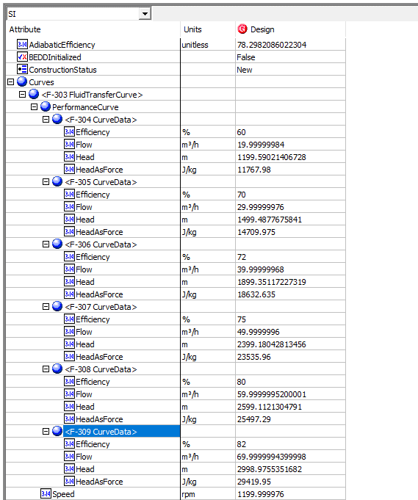
1 | DataEfficiency (%) | Efficiency (%) | Curves. PerformanceCurves.Efficiency (%)
 |  | 1 | 1 | 60 | %
 |  | 2 | 2 | 70 | %
 |  | 3 | 3 | 72 | %
 |  | 4 | 4 | 75 | %
 |  | 5 | 5 | 80 | %
 |  | 6 | 6 | 82 | %

2 | DataFlow | Flow (m3/h) | Curves. PerformanceCurves.Flow (m3/h)
 |  | 1 | 1 | 20 | m3/h
 |  | 2 | 2 | 30 | m3/h
 |  | 3 | 3 | 40 | m3/h
 |  | 4 | 4 | 50 | m3/h
 |  | 5 | 5 | 60 | m3/h
 |  | 6 | 6 | 70 | m3/h

3 | DataHead | Head (kJ/kg) | Curves. PerformanceCurves.Head (J/kg)
 |  | 1 | 1 | 11.772 | kJ/kg
 |  | 2 | 2 | 14.715 | kJ/kg
 |  | 3 | 3 | 18.639 | kJ/kg
 |  | 4 | 4 | 23.544 | kJ/kg
 |  | 5 | 5 | 25.506 | kJ/kg
 |  | 6 | 6 | 29.43 | kJ/kg

Vavle
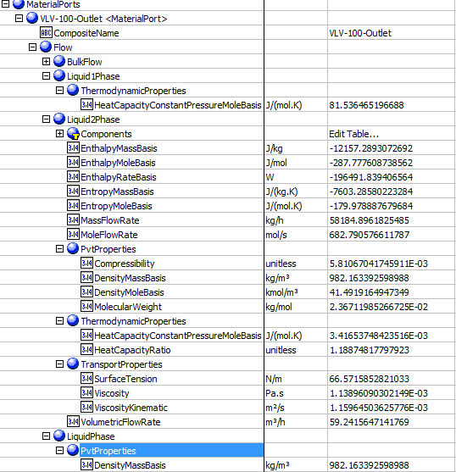
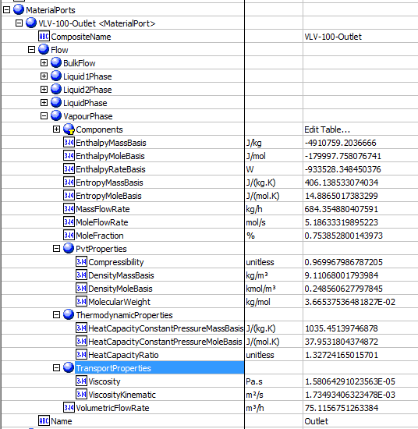
File name | control vavle_v2.0.hsc
Unit Operation | VLV-100

Workflow
1. Open attached control vavle_v2.0.hsc file.
2. Click on the Datasheet button on the ribbon.
3. Select a server to connect, then connect to a workspace.
4. Go to Mapper tab, click on the hyperlink of VLV-100 to open Object Mapping screen.
5. Select 'ControlValve' for the MapAs Column, and 'Create' for Workspace Object column.
6. Make sure the ports of valve are mapped automated.
7. Click on Close icon at the top right to close the Object Mapping screen.
8. Click Save Change and Transfer button. Make sure VLV-100 is created and data transfer complete dialog pops up. Click OK to close it.
9. Click on the Explorer tab, expand the control vavle to see all attributes, make sure all data are transferred correctly.

Expected Results

Vavle(CQ00746646) |  |  |  |  |  | In ABE

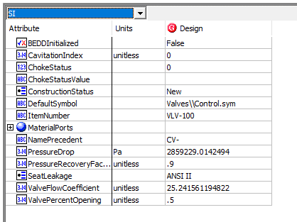
Index Number | Attributes | Hysys Attributes Name | ABE Default Attributes | Hysys Values | Units

1 | Inlet Mass flow | Streams.Intlet.Worksheet.Conditions.Mass Flow | MaterialPorts[Name="Inlet"].Flow.BulkFlow.MassFlowRate | 58869.251534 | kg/h
2 | Inlet Actual volumetirc flow | Streams.Intlet.Worksheet.Properties.Act.Volume Flow | MaterialPorts[Name="Inlet"].Flow.BulkFlow.VolumetricFlowRate | 59.905345169 | m3/h
3 | Inlet pressure | Streams.Intlet.Worksheet.Conditions.Pressure | MaterialPorts[Name="Inlet"].Flow.BulkFlow.Pressure | 3548.7049229 | kPa
4 | Differential Pressure | UnitOps.Rating.Sizing. Delta P | PressureDrop | 2859.2290142 | kPa
5 | outlet liquid density @normal | Streams.Outlet.Worksheet.Properties.Mass Density.Aqueous Phase | MaterialPorts[Name="Outlet"].Flow.LiquidPhase.PvtProperties.DensityMassBasis | 982.1633926 | kg/m3
6 | outlet liquid viscosity @normal | Streams.Outlet.Worksheet.Properties. Viscosity | MaterialPorts[Name="Outlet"].Flow.LiquidPhase2.TransportProperties.Viscosity | 1.138960903 | cP
7 | Outlet Vapor density @Normal | Streams.Outlet.Worksheet.Properties.Mass Density. Vapour Phase | MaterialPorts[Name="Outlet"].Flow.VapourPhase.PvtProperties.DensityMassBasis | 9.1106800179 | kg/m3
8 | Outlet Vapor Molecular Weight | Streams.Outlet.Worksheet.Properties.MolerularWeight. Vapour Phase | MaterialPorts[Name="Outlet"].Flow.VapourPhase.PvtProperties.MolecularWeight | 36.653753648 | g/mol | Outlet
9 | Outlet vapor heat capacity Cp/Cv | Streams.Outlet.Worksheet.Properties.Mass Heat Capacity. Vapour Phase | MaterialPorts[Name="Outlet"].Flow.VapourPhase.ThermodynamicProperties.HeatCapacityConstantPressureMassBasis | 1.0354513975 | kJ/(kg.K)
10 | Outlet vapor Compressibility facotr | Streams.Outlet.Worksheet.Properties.Z facotr.Vapour Phase | MaterialPorts[Name="Outlet"].Flow.VapourPhase.PvtProperties.Compressibility | 0.96996798679
11 | Outlet Vapor dynamic viscosity@normal | Streams.Outlet.Worksheet.Properties.Viscosity | MaterialPorts[Name="Outlet"].Flow.VapourPhase.TransportProperties.Viscosity | 1.58E-02 | cP
12 | ValvePercentOpening | UnitOps.Rating.Sizing.ValveOpening | ValvePercentOpening | 50 | % | Inlet | Outlet-BulkFlow
13 | Choking Status | UnitOps.Rating.FlowLimits.Vapour Choking | ChokeStatus | No choking
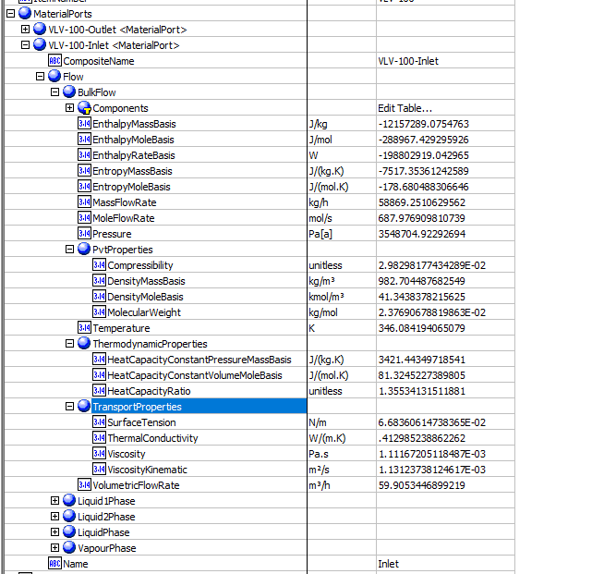
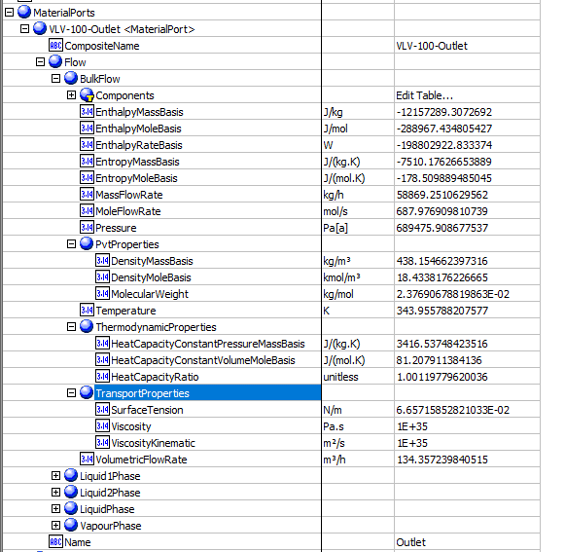
14 | Outlet Pressure | Streams.Outlet.Worksheet.Conditions.Pressure | MaterialPorts[Name="Outlet"].Flow.BulkFlow.Pressure | 689.47590868 | kPa
15 | ChokedOutletPressure | PressureOutChocked | PressureOutChocked | Not found in hysys
16 | Outlet Temperature | Streams.Outlet.Worksheet.Conditions.Temperature | MaterialPorts[Name="Outlet"].Flow.BulkFlow.Temperature | 343.95578821 | K
17 | OutletVaporFaction | Streams.Outlet.Worksheet.Conditions.Vapour/Phase Fraction.Vapour Phase | MaterialPorts[Name="Outlet"].Flow.VapourPhase.MoleFraction (%) | 0.0075385280014 | fraction
18 | ValveFlowCoefficient | UnitOps.Rating.Sizing.Cv[USGPM(60F,1psi)] | ValveFlowCoefficient | 25.241561195
19 | CavitationIndex | UnitOps.Rating.FlowLimits.Kc | CavitationIndex | 0
20 | PressureRecoveryFactor | UnitOps.Rating.Sizing.Km | PressureRecoveryFactor | 0.9
21 | MoleFlowIn | Streams.Inlet.Worksheet.Conditions.Molar Flow | MaterialPorts[Name="Inlet"].Flow.BulkFlow.MoleFlowRate | 0.68797690981 | kgmole/s
22 | MoleFlowOut | Streams.Outlet.Worksheet.Conditions.Molar Flow | MaterialPorts[Name="Outlet"].Flow.BulkFlow.MoleFlowRate | 0.68797690981 | kgmole/s
23 | MassFlowOut | Streams.Outlet.Worksheet.Conditions.Mass Flow | MaterialPorts[Name="Outlet"].Flow.BulkFlow.MassFlowRate | 58869.251534 | kg/h
24 | Inlet Temperature | Streams.Inlet.Worksheet.Conditions.Temperature | MaterialPorts[Name="Inlet"].Flow.BulkFlow.Temperature | 346.08419407 | K

 |  |  |  |  |  | Outlet-LiquidPhase | Outlet-VaporPhase

Separator
File name | Seperator.hsc
Unit Operation | V-100

Workflow
1. Open attached Seperator.hsc file.
2. Click on the Datasheet button on the ribbon.
3. Select a server to connect, then connect to a workspace.
4. Go to Mapper tab, click on the hyperlink of V-100 to open Object Mapping screen.
5. Select 'Separator' for the MapAs Column, and 'Create' for Workspace Object column.
6. Click on Close icon at the top right to close the Object Mapping screen.
7. Click Save Change and Transfer button.
8. Click on the Explorer tab, click on V-100 in by Equipment view. Make sure all data are correctly.

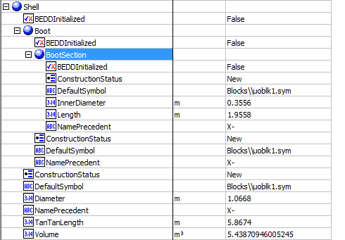
Expected Results |  | Notes: Existing Defect V10 [SM]-Hysys-Separator: Some attributes are transferred incorrectly |  |  |  |  | Shell
 |  |  |  |  |  | OperatingConditions
Seperator(CQ00746648)
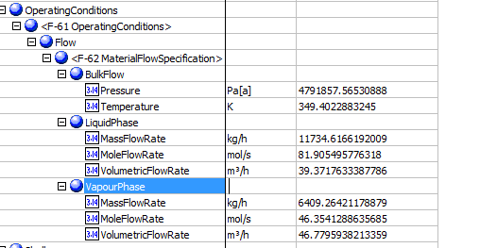
Index Number | Attributes | AbeAds Class View | ABE Class/Separator From Hysys | Hysys Data | Unit

1 | Operating Pressure | PressureOut | OperatingConditions(1).Flow(1).BulkFlow.Pressure | 4791.8575653 | kPa
2 | Operating Temperature | TemperatureOut | OperatingConditions(1).Flow(1).BulkFlow.Temperature | 349.40228832 | K
7 | Liquid Quantity | LiquidMassFlow | OperatingConditions(1).Flow(1).LiquidPhase.MassFlowRate | 11734.616713 | kg/h
8 | Vapor Quantity | VaporMassFlow | OperatingConditions(1).Flow(1).VapourPhase.MassFlowRate | 6409.2642631 | kg/h
16 | Liquid Molar Flow | LiquidMolarFlow | OperatingConditions(1).Flow(1).LiquidPhase.MoleFlowRate | 294.85978479 | kgmole/h
17 | Liquid Volume Flow | LiquidVolumeFlow | OperatingConditions(1).Flow(1).LiquidPhase.VolumetricFlowRate | 39.371763654 | m3/h
18 | Vapo Molar Flow | VaporMolarFlow | OperatingConditions(1).Flow(1).VapourPhase.MoleFlowRate | 166.87486391 | kgmole/h
19 | Vapor Volume Flow | VaporVolumeFlow | OperatingConditions(1).Flow(1).VapourPhase.VolumetricFlowRate | 46.779594196 | m3/h

3 | Vessel Diameter | VesselDiameter | Shell.Diameter | 1.0668 | m
4 | Vessel T-T Length | VesselTanTanLength | Shell.TanTanLength | 5.867 | m
5 | Boot Diameter | Boot Diameter | Shell.Boot.BootSection.InnerDiameter | 0.3556 | m
6 | Boot Height | Boot Height | Shell.Boot.BootSection.Length | 1.9558 | m
13 | Total Volume | TotalVolume | Shell.Volume | 5.4387094601 | m3
 |  |  |  |  |  | Other Values

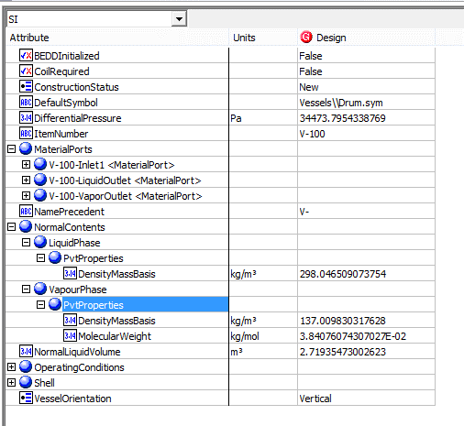
9 | Liquid density at working temperature | LiquidDensityMassBasis | NormalContents.LiquidPhase.PvtProperties.DensityMassBasis | 298.04650907 | kg/m3
10 | Vapor Molecular Weight | VaporMolecularWeight | NormalContents.VapourPhase.PvtProperties.MolecularWeight | 38.407607431 | g/mol
11 | Vapor Density at Working Temperature | VaporDensity | NormalContents.VapourPhase.PvtProperties.DensityMassBasis | 137.00983032 | kg/m3
12 | Orientation | Orientation | VesselOrientation | Vertical
14 | Normal Liquid Volumne | NormalLiquidVolume | NormalLiquidVolume | 2.71935473 | m3
20 | VesselisHeating | VesselIsHeating | CoilRequired
15 | Pressure Drop | PressureDrop | DifferentialPressure | 34.473795434 | kPa

Multi-Mapping-HeatExchanger
File name | Heater_Cooler.hsc
Unit Operation | Cooler, E-100

Workflow (please see detailed test case on P4)
1. Open attached Heater_Cooler.hsc file.
2. Click on Datasheet button, select a server and workspace to connect .
3. Click on Mapper tab, click on the "Cooler" on the "Flowsheet Object" tab. Make sure Object Mapping screen opens, and the ports are mapped automactially in Port Mapping section.
4. Select "HeatExchangerSide" under "Map As" column, and " Create" under "Workspace Object" column. Close the Object Mapping screen by clicking "x" at the top right corner.
5. Repeat step 3-4 for the heater "E-100". Click Save Change and Transfer.
6. Click on the Explorer tab, create a Shell and Tube Heat Exchanger in by Equipment view.
7. In the attribute view, click on "Show/Hide properties" icon, and select "Show All Atrribuetes".
8. Scroll down to "ColdSide", right click on Design column, and select "Insert Subobject" in the context menu.
9. Select the "existing Object" radio button and select "Cooler<HeatExchangerSide>" Object and click OK.
10. Click on the "Default Attributes" icon above the attribute grid.
11. Confirm the following: a. The Assemblies Attribute will show the ThermalSide; Hot or Cold and the PhysicalSide: Shell or Tube of the Heat Exchanger. The Cold Side is by default the Shell Side of the Exchanger b. The Material Ports flow information for the Shell Side have been populated with the Material Ports information from the Cold Side c. The HeatDuty under the PerformanceCriteria have also been populated with the Heat Duty from the Cold Side
12. Repeat steps 8-11 for HotSide. Confirm: a. Confirm the Material Ports under the Tube Side have been populated with the Material Ports information from the Hot Side b. Confirm the Heat Duty under the PerformanceCriteria has been overwritten with the Heat Duty from the Hot Side (the Heat duty of the heat exchanger will be equal to the last heat exchanger side added to it)

Expected Results

Multimapping-HX (CQ00747904)

Index Number | Attributes | Hysys Attributes Name | ABE Default Attributes | Hysys Value | Units

Hot Side
8 | Duty | Duty | Performance.PerformanceData(1).HeatDuty | 11722.845532 | W
Curves | Enthalpy | HotSideCurves.EnthalpyMoleBasis(1) | HotSide.FluidProfilesTable.EnthalpyMoleBasis(1) | -49269.312914 | kJ/kgmole
 | Enthalpy | HotSideCurves.EnthalpyMoleBasis(2) | HotSide.FluidProfilesTable.EnthalpyMoleBasis(2) | -51118.113664 | kJ/kgmole
 | Enthalpy | HotSideCurves.EnthalpyMoleBasis(3) | HotSide.FluidProfilesTable.EnthalpyMoleBasis(3) | -52926.703348 | kJ/kgmole
 | Enthalpy | HotSideCurves.EnthalpyMoleBasis(4) | HotSide.FluidProfilesTable.EnthalpyMoleBasis(4) | -54694.161366 | kJ/kgmole
 | Enthalpy | HotSideCurves.EnthalpyMoleBasis(5) | HotSide.FluidProfilesTable.EnthalpyMoleBasis(5) | -56419.666025 | kJ/kgmole
 | Enthalpy | HotSideCurves.EnthalpyMoleBasis(6) | HotSide.FluidProfilesTable.EnthalpyMoleBasis(6) | -58102.509885 | kJ/kgmole
 | Enthalpy | HotSideCurves.EnthalpyMoleBasis(7) | HotSide.FluidProfilesTable.EnthalpyMoleBasis(7) | -59742.116503 | kJ/kgmole
 | Enthalpy | HotSideCurves.EnthalpyMoleBasis(8) | HotSide.FluidProfilesTable.EnthalpyMoleBasis(8) | -61338.059088 | kJ/kgmole
 | Enthalpy | HotSideCurves.EnthalpyMoleBasis(9) | HotSide.FluidProfilesTable.EnthalpyMoleBasis(9) | -62890.081816 | kJ/kgmole
 | Enthalpy | HotSideCurves.EnthalpyMoleBasis(10) | HotSide.FluidProfilesTable.EnthalpyMoleBasis(10) | -64398.124899 | kJ/kgmole
 | Enthalpy | HotSideCurves.EnthalpyMoleBasis(11) | HotSide.FluidProfilesTable.EnthalpyMoleBasis(11) | -65862.355102 | kJ/kgmole | HotSide
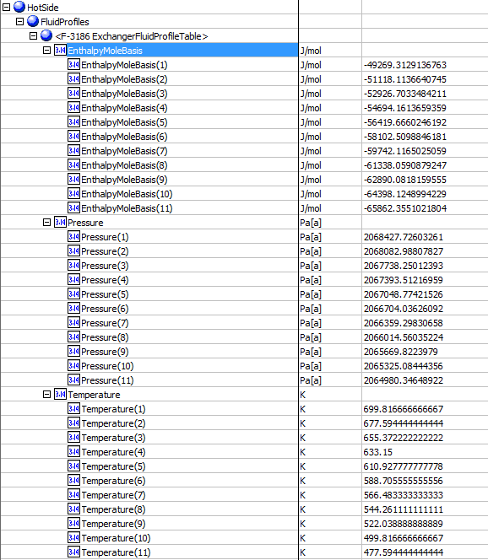
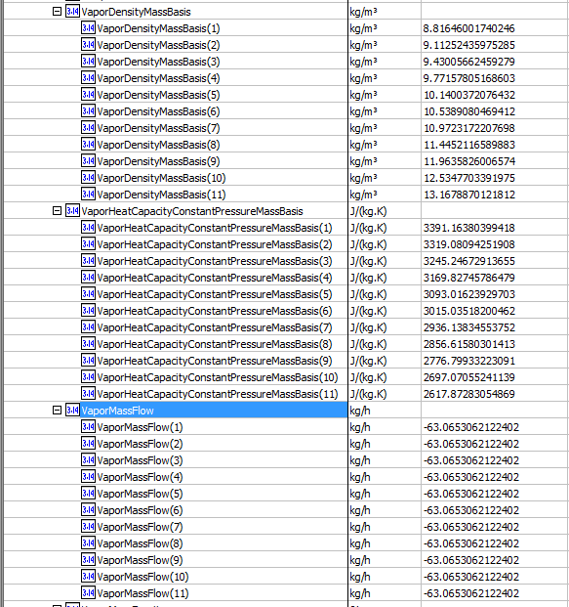
Curves | Pressure | HotSide.Curves.Pressure (1) | HotSide.FluidProfilesTable.Pressure (1) | 2068.427726 | kPa
 | Pressure | HotSide.Curves.Pressure (2) | HotSide.FluidProfilesTable.Pressure (2) | 2068.0829881 | kPa
 | Pressure | HotSide.Curves.Pressure (3) | HotSide.FluidProfilesTable.Pressure (3) | 2067.7382501 | kPa
 | Pressure | HotSide.Curves.Pressure (4) | HotSide.FluidProfilesTable.Pressure (4) | 2067.3935122 | kPa
 | Pressure | HotSide.Curves.Pressure (5) | HotSide.FluidProfilesTable.Pressure (5) | 2067.0487742 | kPa
 | Pressure | HotSide.Curves.Pressure (6) | HotSide.FluidProfilesTable.Pressure (6) | 2066.7040363 | kPa
 | Pressure | HotSide.Curves.Pressure (7) | HotSide.FluidProfilesTable.Pressure (7) | 2066.3592983 | kPa
 | Pressure | HotSide.Curves.Pressure (8) | HotSide.FluidProfilesTable.Pressure (8) | 2066.0145604 | kPa
 | Pressure | HotSide.Curves.Pressure (9) | HotSide.FluidProfilesTable.Pressure (9) | 2065.6698224 | kPa
 | Pressure | HotSide.Curves.Pressure (10) | HotSide.FluidProfilesTable.Pressure (10) | 2065.3250844 | kPa
 | Pressure | HotSide.Curves.Pressure (11) | HotSide.FluidProfilesTable.Pressure (11) | 2064.9803465 | kPa
Curves | Temperature | HotSide.Curves.Temperature(1) | HotSide.FluidProfilesTable.Temperature(1) | 699.81666667 | K
 | Temperature | HotSide.Curves.Temperature(2) | HotSide.FluidProfilesTable.Temperature(2) | 677.59444444 | K
 | Temperature | HotSide.Curves.Temperature(3) | HotSide.FluidProfilesTable.Temperature(3) | 655.37222222 | K
 | Temperature | HotSide.Curves.Temperature(4) | HotSide.FluidProfilesTable.Temperature(4) | 633.15 | K
 | Temperature | HotSide.Curves.Temperature(5) | HotSide.FluidProfilesTable.Temperature(5) | 610.92777778 | K
 | Temperature | HotSide.Curves.Temperature(6) | HotSide.FluidProfilesTable.Temperature(6) | 588.70555556 | K
 | Temperature | HotSide.Curves.Temperature(7) | HotSide.FluidProfilesTable.Temperature(7) | 566.48333333 | K
 | Temperature | HotSide.Curves.Temperature(8) | HotSide.FluidProfilesTable.Temperature(8) | 544.26111111 | K
 | Temperature | HotSide.Curves.Temperature(9) | HotSide.FluidProfilesTable.Temperature(9) | 522.03888889 | K
 | Temperature | HotSide.Curves.Temperature(10) | HotSide.FluidProfilesTable.Temperature(10) | 499.81666667 | K
 | Temperature | HotSide.Curves.Temperature(11) | HotSide.FluidProfilesTable.Temperature(11) | 477.59444444 | K
Curves | Vapor Density | HotSideCurves.VaporDensityMassBasis(1) | HotSide.FluidProfilesTable.VaporDensityMassBasis(1) | 8.8164600174 | kg/m3
 | Vapor Density | HotSideCurves.VaporDensityMassBasis(2) | HotSide.FluidProfilesTable.VaporDensityMassBasis(2) | 9.1125243598 | kg/m3
 | Vapor Density | HotSideCurves.VaporDensityMassBasis(3) | HotSide.FluidProfilesTable.VaporDensityMassBasis(3) | 9.4300566246 | kg/m3
 | Vapor Density | HotSideCurves.VaporDensityMassBasis(4) | HotSide.FluidProfilesTable.VaporDensityMassBasis(4) | 9.7715780517 | kg/m3
 | Vapor Density | HotSideCurves.VaporDensityMassBasis(5) | HotSide.FluidProfilesTable.VaporDensityMassBasis(5) | 10.140037208 | kg/m3
 | Vapor Density | HotSideCurves.VaporDensityMassBasis(6) | HotSide.FluidProfilesTable.VaporDensityMassBasis(6) | 10.538908047 | kg/m3
 | Vapor Density | HotSideCurves.VaporDensityMassBasis(7) | HotSide.FluidProfilesTable.VaporDensityMassBasis(7) | 10.972317221 | kg/m3
 | Vapor Density | HotSideCurves.VaporDensityMassBasis(8) | HotSide.FluidProfilesTable.VaporDensityMassBasis(8) | 11.445211659 | kg/m3
 | Vapor Density | HotSideCurves.VaporDensityMassBasis(9) | HotSide.FluidProfilesTable.VaporDensityMassBasis(9) | 11.963582601 | kg/m3
 | Vapor Density | HotSideCurves.VaporDensityMassBasis(10) | HotSide.FluidProfilesTable.VaporDensityMassBasis(10) | 12.534770339 | kg/m3
 | Vapor Density | HotSideCurves.VaporDensityMassBasis(11) | HotSide.FluidProfilesTable.VaporDensityMassBasis(11) | 13.167887012 | kg/m3
Curves | Vapor Mass Flow | HotSide.Curves.VaporMassFlow(1) | HotSide.FluidProfilesTable.VaporMassFlow(1) | -63.065306717 | kg/h
 | Vapor Mass Flow | HotSide.Curves.VaporMassFlow(2) | HotSide.FluidProfilesTable.VaporMassFlow(2) | -63.065306717 | kg/h
 | Vapor Mass Flow | HotSide.Curves.VaporMassFlow(3) | HotSide.FluidProfilesTable.VaporMassFlow(3) | -63.065306717 | kg/h
 | Vapor Mass Flow | HotSide.Curves.VaporMassFlow(4) | HotSide.FluidProfilesTable.VaporMassFlow(4) | -63.065306717 | kg/h
 | Vapor Mass Flow | HotSide.Curves.VaporMassFlow(5) | HotSide.FluidProfilesTable.VaporMassFlow(5) | -63.065306717 | kg/h
 | Vapor Mass Flow | HotSide.Curves.VaporMassFlow(6) | HotSide.FluidProfilesTable.VaporMassFlow(6) | -63.065306717 | kg/h
 | Vapor Mass Flow | HotSide.Curves.VaporMassFlow(7) | HotSide.FluidProfilesTable.VaporMassFlow(7) | -63.065306717 | kg/h
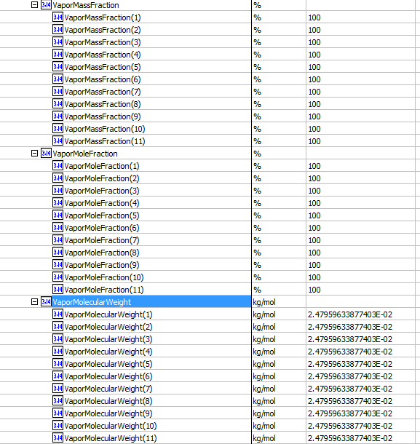
 | Vapor Mass Flow | HotSide.Curves.VaporMassFlow(8) | HotSide.FluidProfilesTable.VaporMassFlow(8) | -63.065306717 | kg/h
 | Vapor Mass Flow | HotSide.Curves.VaporMassFlow(9) | HotSide.FluidProfilesTable.VaporMassFlow(9) | -63.065306717 | kg/h
 | Vapor Mass Flow | HotSide.Curves.VaporMassFlow(10) | HotSide.FluidProfilesTable.VaporMassFlow(10) | -63.065306717 | kg/h
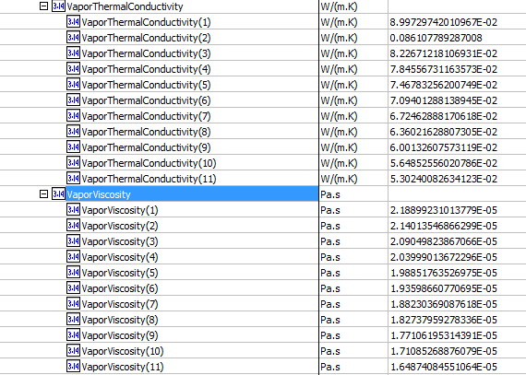
 | Vapor Mass Flow | HotSide.Curves.VaporMassFlow(11) | HotSide.FluidProfilesTable.VaporMassFlow(11) | -63.065306717 | kg/h
Curves | Vapor Phase Mass Fraction | HotSide.Curves.VaporMassFraction(1) | HotSide.FluidProfilesTable.VaporMassFraction(1) | 1
 | Vapor Phase Mass Fraction | HotSide.Curves.VaporMassFraction(2) | HotSide.FluidProfilesTable.VaporMassFraction(2) | 1
 | Vapor Phase Mass Fraction | HotSide.Curves.VaporMassFraction(3) | HotSide.FluidProfilesTable.VaporMassFraction(3) | 1
 | Vapor Phase Mass Fraction | HotSide.Curves.VaporMassFraction(4) | HotSide.FluidProfilesTable.VaporMassFraction(4) | 1
 | Vapor Phase Mass Fraction | HotSide.Curves.VaporMassFraction(5) | HotSide.FluidProfilesTable.VaporMassFraction(5) | 1
 | Vapor Phase Mass Fraction | HotSide.Curves.VaporMassFraction(6) | HotSide.FluidProfilesTable.VaporMassFraction(6) | 1
 | Vapor Phase Mass Fraction | HotSide.Curves.VaporMassFraction(7) | HotSide.FluidProfilesTable.VaporMassFraction(7) | 1
 | Vapor Phase Mass Fraction | HotSide.Curves.VaporMassFraction(8) | HotSide.FluidProfilesTable.VaporMassFraction(8) | 1
 | Vapor Phase Mass Fraction | HotSide.Curves.VaporMassFraction(9) | HotSide.FluidProfilesTable.VaporMassFraction(9) | 1
 | Vapor Phase Mass Fraction | HotSide.Curves.VaporMassFraction(10) | HotSide.FluidProfilesTable.VaporMassFraction(10) | 1
 | Vapor Phase Mass Fraction | HotSide.Curves.VaporMassFraction(11) | HotSide.FluidProfilesTable.VaporMassFraction(11) | 1
Curves | Vapor Frac. | HotSide.Curves.VaporMoleFraction(1) | HotSide.FluidProfilesTable.VaporMoleFraction(1) | 1
 | Vapor Frac. | HotSide.Curves.VaporMoleFraction(2) | HotSide.FluidProfilesTable.VaporMoleFraction(2) | 1
 | Vapor Frac. | HotSide.Curves.VaporMoleFraction(3) | HotSide.FluidProfilesTable.VaporMoleFraction(3) | 1
 | Vapor Frac. | HotSide.Curves.VaporMoleFraction(4) | HotSide.FluidProfilesTable.VaporMoleFraction(4) | 1
 | Vapor Frac. | HotSide.Curves.VaporMoleFraction(5) | HotSide.FluidProfilesTable.VaporMoleFraction(5) | 1
 | Vapor Frac. | HotSide.Curves.VaporMoleFraction(6) | HotSide.FluidProfilesTable.VaporMoleFraction(6) | 1
 | Vapor Frac. | HotSide.Curves.VaporMoleFraction(7) | HotSide.FluidProfilesTable.VaporMoleFraction(7) | 1
 | Vapor Frac. | HotSide.Curves.VaporMoleFraction(8) | HotSide.FluidProfilesTable.VaporMoleFraction(8) | 1
 | Vapor Frac. | HotSide.Curves.VaporMoleFraction(9) | HotSide.FluidProfilesTable.VaporMoleFraction(9) | 1
 | Vapor Frac. | HotSide.Curves.VaporMoleFraction(10) | HotSide.FluidProfilesTable.VaporMoleFraction(10) | 1
 | Vapor Frac. | HotSide.Curves.VaporMoleFraction(11) | HotSide.FluidProfilesTable.VaporMoleFraction(11) | 1
Curves | Vapor MV | HotSide.Curves.VaporMolecularWeight(1) | HotSide.FluidProfilesTable.VaporMolecularWeight(1) | 24.795963388 | g/mol
 | Vapor MV | HotSide.Curves.VaporMolecularWeight(2) | HotSide.FluidProfilesTable.VaporMolecularWeight(2) | 24.795963388 | g/mol
 | Vapor MV | HotSide.Curves.VaporMolecularWeight(3) | HotSide.FluidProfilesTable.VaporMolecularWeight(3) | 24.795963388 | g/mol
 | Vapor MV | HotSide.Curves.VaporMolecularWeight(4) | HotSide.FluidProfilesTable.VaporMolecularWeight(4) | 24.795963388 | g/mol
 | Vapor MV | HotSide.Curves.VaporMolecularWeight(5) | HotSide.FluidProfilesTable.VaporMolecularWeight(5) | 24.795963388 | g/mol
 | Vapor MV | HotSide.Curves.VaporMolecularWeight(6) | HotSide.FluidProfilesTable.VaporMolecularWeight(6) | 24.795963388 | g/mol
 | Vapor MV | HotSide.Curves.VaporMolecularWeight(7) | HotSide.FluidProfilesTable.VaporMolecularWeight(7) | 24.795963388 | g/mol
 | Vapor MV | HotSide.Curves.VaporMolecularWeight(8) | HotSide.FluidProfilesTable.VaporMolecularWeight(8) | 24.795963388 | g/mol
 | Vapor MV | HotSide.Curves.VaporMolecularWeight(9) | HotSide.FluidProfilesTable.VaporMolecularWeight(9) | 24.795963388 | g/mol
 | Vapor MV | HotSide.Curves.VaporMolecularWeight(10) | HotSide.FluidProfilesTable.VaporMolecularWeight(10) | 24.795963388 | g/mol
 | Vapor MV | HotSide.Curves.VaporMolecularWeight(11) | HotSide.FluidProfilesTable.VaporMolecularWeight(11) | 24.795963388 | g/mol
Curves | Vapor Thermal Cond. | HotSide.Curves.VaporThermalConductivity(1) | HotSide.FluidProfilesTable.VaporThermalConductivity(1) | 0.089972974201 | W/m-K
 | Vapor Thermal Cond. | HotSide.Curves.VaporThermalConductivity(2) | HotSide.FluidProfilesTable.VaporThermalConductivity(2) | 0.086107789287 | W/m-K
 | Vapor Thermal Cond. | HotSide.Curves.VaporThermalConductivity(3) | HotSide.FluidProfilesTable.VaporThermalConductivity(3) | 0.082267121811 | W/m-K
 | Vapor Thermal Cond. | HotSide.Curves.VaporThermalConductivity(4) | HotSide.FluidProfilesTable.VaporThermalConductivity(4) | 0.078455673116 | W/m-K
 | Vapor Thermal Cond. | HotSide.Curves.VaporThermalConductivity(5) | HotSide.FluidProfilesTable.VaporThermalConductivity(5) | 0.07467832562 | W/m-K
 | Vapor Thermal Cond. | HotSide.Curves.VaporThermalConductivity(6) | HotSide.FluidProfilesTable.VaporThermalConductivity(6) | 0.070940128814 | W/m-K
 | Vapor Thermal Cond. | HotSide.Curves.VaporThermalConductivity(7) | HotSide.FluidProfilesTable.VaporThermalConductivity(7) | 0.067246288817 | W/m-K
 | Vapor Thermal Cond. | HotSide.Curves.VaporThermalConductivity(8) | HotSide.FluidProfilesTable.VaporThermalConductivity(8) | 0.063602162881 | W/m-K
 | Vapor Thermal Cond. | HotSide.Curves.VaporThermalConductivity(9) | HotSide.FluidProfilesTable.VaporThermalConductivity(9) | 0.060013260757 | W/m-K
 | Vapor Thermal Cond. | HotSide.Curves.VaporThermalConductivity(10) | HotSide.FluidProfilesTable.VaporThermalConductivity(10) | 0.056485255602 | W/m-K
 | Vapor Thermal Cond. | HotSide.Curves.VaporThermalConductivity(11) | HotSide.FluidProfilesTable.VaporThermalConductivity(11) | 0.053024008263 | W/m-K
Curves | Vapor Viscosity | HotSide.Curves.VaporViscosity(1) | HotSide.FluidProfilesTable.VaporViscosity(1) | 0.021889923101 | cP
 | Vapor Viscosity | HotSide.Curves.VaporViscosity(2) | HotSide.FluidProfilesTable.VaporViscosity(2) | 0.021401354687 | cP
 | Vapor Viscosity | HotSide.Curves.VaporViscosity(3) | HotSide.FluidProfilesTable.VaporViscosity(3) | 0.020904982387 | cP
 | Vapor Viscosity | HotSide.Curves.VaporViscosity(4) | HotSide.FluidProfilesTable.VaporViscosity(4) | 0.020399901367 | cP
 | Vapor Viscosity | HotSide.Curves.VaporViscosity(5) | HotSide.FluidProfilesTable.VaporViscosity(5) | 0.019885176353 | cP
 | Vapor Viscosity | HotSide.Curves.VaporViscosity(6) | HotSide.FluidProfilesTable.VaporViscosity(6) | 0.019359866077 | cP
 | Vapor Viscosity | HotSide.Curves.VaporViscosity(7) | HotSide.FluidProfilesTable.VaporViscosity(7) | 0.018823036909 | cP
 | Vapor Viscosity | HotSide.Curves.VaporViscosity(8) | HotSide.FluidProfilesTable.VaporViscosity(8) | 0.018273795928 | cP
 | Vapor Viscosity | HotSide.Curves.VaporViscosity(9) | HotSide.FluidProfilesTable.VaporViscosity(9) | 0.017710619531 | cP
 | Vapor Viscosity | HotSide.Curves.VaporViscosity(10) | HotSide.FluidProfilesTable.VaporViscosity(10) | 0.017108526888 | cP
 | Vapor Viscosity | HotSide.Curves.VaporViscosity(11) | HotSide.FluidProfilesTable.VaporViscosity(11) | 0.016487408455 | cP

Cold Side
8 | Duty | Duty | Performance.PerformanceData(1).HeatDuty | 11722.845532 | W
Curves | Enthalpy | ColdSideCurves.EnthalpyMoleBasis(1) | ColdSide.FluidProfilesTable.EnthalpyMoleBasis(1) | -89310.091438 | kJ/kgmole
 | Enthalpy | ColdSideCurves.EnthalpyMoleBasis(2) | ColdSide.FluidProfilesTable.EnthalpyMoleBasis(2) | -86871.453514 | kJ/kgmole
 | Enthalpy | ColdSideCurves.EnthalpyMoleBasis(3) | ColdSide.FluidProfilesTable.EnthalpyMoleBasis(3) | -83771.697583 | kJ/kgmole
 | Enthalpy | ColdSideCurves.EnthalpyMoleBasis(4) | ColdSide.FluidProfilesTable.EnthalpyMoleBasis(4) | -79954.774902 | kJ/kgmole
 | Enthalpy | ColdSideCurves.EnthalpyMoleBasis(5) | ColdSide.FluidProfilesTable.EnthalpyMoleBasis(5) | -77259.196694 | kJ/kgmole
 | Enthalpy | ColdSideCurves.EnthalpyMoleBasis(6) | ColdSide.FluidProfilesTable.EnthalpyMoleBasis(6) | -76693.59952 | kJ/kgmole
 | Enthalpy | ColdSideCurves.EnthalpyMoleBasis(7) | ColdSide.FluidProfilesTable.EnthalpyMoleBasis(7) | -76121.109171 | kJ/kgmole
 | Enthalpy | ColdSideCurves.EnthalpyMoleBasis(8) | ColdSide.FluidProfilesTable.EnthalpyMoleBasis(8) | -75540.790441 | kJ/kgmole
 | Enthalpy | ColdSideCurves.EnthalpyMoleBasis(9) | ColdSide.FluidProfilesTable.EnthalpyMoleBasis(9) | -74951.906001 | kJ/kgmole
 | Enthalpy | ColdSideCurves.EnthalpyMoleBasis(10) | ColdSide.FluidProfilesTable.EnthalpyMoleBasis(10) | -74353.862228 | kJ/kgmole | ColdSide
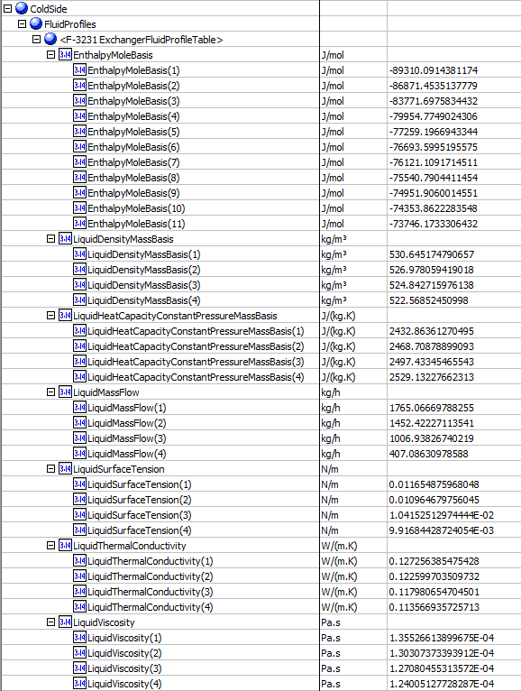
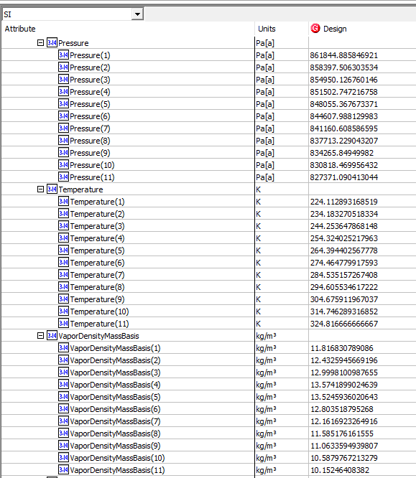
 | Enthalpy | ColdSideCurves.EnthalpyMoleBasis(11) | ColdSide.FluidProfilesTable.EnthalpyMoleBasis(11) | -73746.173331 | kJ/kgmole
Curves | Light Liq. Density | ColdSideCurves.LiquidDensityMassBasis(1) | ColdSide.FluidProfilesTable.LiquidDensityMassBasis(1) | 530.64517479 | kg/m3
 | Light Liq. Density | ColdSideCurves.LiquidDensityMassBasis(2) | ColdSide.FluidProfilesTable.LiquidDensityMassBasis(2) | 526.97805942 | kg/m3
 | Light Liq. Density | ColdSideCurves.LiquidDensityMassBasis(3) | ColdSide.FluidProfilesTable.LiquidDensityMassBasis(3) | 524.84271598 | kg/m3
 | Light Liq. Density | ColdSideCurves.LiquidDensityMassBasis(4) | ColdSide.FluidProfilesTable.LiquidDensityMassBasis(4) | 522.56852451 | kg/m3
 | Light Liq. Density | ColdSideCurves.LiquidDensityMassBasis(5) | ColdSide.FluidProfilesTable.LiquidDensityMassBasis(5) | <empty> | kg/m3
 | Light Liq. Density | ColdSideCurves.LiquidDensityMassBasis(6) | ColdSide.FluidProfilesTable.LiquidDensityMassBasis(6) | <empty> | kg/m3
 | Light Liq. Density | ColdSideCurves.LiquidDensityMassBasis(7) | ColdSide.FluidProfilesTable.LiquidDensityMassBasis(7) | <empty> | kg/m3
 | Light Liq. Density | ColdSideCurves.LiquidDensityMassBasis(8) | ColdSide.FluidProfilesTable.LiquidDensityMassBasis(8) | <empty> | kg/m3
 | Light Liq. Density | ColdSideCurves.LiquidDensityMassBasis(9) | ColdSide.FluidProfilesTable.LiquidDensityMassBasis(9) | <empty> | kg/m3
 | Light Liq. Density | ColdSideCurves.LiquidDensityMassBasis(10) | ColdSide.FluidProfilesTable.LiquidDensityMassBasis(10) | <empty> | kg/m3
 | Light Liq. Density | ColdSideCurves.LiquidDensityMassBasis(11) | ColdSide.FluidProfilesTable.LiquidDensityMassBasis(11) | <empty> | kg/m3
Curves | Light Liq. Mass Flow | ColdSide.Curves.LiquidMassFlow(1) | ColdSide.FluidProfilesTable.LiquidMassFlow(1) | 1765.066712 | kg/h
 | Light Liq. Mass Flow | ColdSide.Curves.LiquidMassFlow(2) | ColdSide.FluidProfilesTable.LiquidMassFlow(2) | 1452.4222828 | kg/h
 | Light Liq. Mass Flow | ColdSide.Curves.LiquidMassFlow(3) | ColdSide.FluidProfilesTable.LiquidMassFlow(3) | 1006.9382755 | kg/h
 | Light Liq. Mass Flow | ColdSide.Curves.LiquidMassFlow(4) | ColdSide.FluidProfilesTable.LiquidMassFlow(4) | 407.08631304 | kg/h
 | Light Liq. Mass Flow | ColdSide.Curves.LiquidMassFlow(5) | ColdSide.FluidProfilesTable.LiquidMassFlow(5) | <empty> | kg/h
 | Light Liq. Mass Flow | ColdSide.Curves.LiquidMassFlow(6) | ColdSide.FluidProfilesTable.LiquidMassFlow(6) | <empty> | kg/h
 | Light Liq. Mass Flow | ColdSide.Curves.LiquidMassFlow(7) | ColdSide.FluidProfilesTable.LiquidMassFlow(7) | <empty> | kg/h
 | Light Liq. Mass Flow | ColdSide.Curves.LiquidMassFlow(8) | ColdSide.FluidProfilesTable.LiquidMassFlow(8) | <empty> | kg/h
 | Light Liq. Mass Flow | ColdSide.Curves.LiquidMassFlow(9) | ColdSide.FluidProfilesTable.LiquidMassFlow(9) | <empty> | kg/h
 | Light Liq. Mass Flow | ColdSide.Curves.LiquidMassFlow(10) | ColdSide.FluidProfilesTable.LiquidMassFlow(10) | <empty> | kg/h
 | Light Liq. Mass Flow | ColdSide.Curves.LiquidMassFlow(11) | ColdSide.FluidProfilesTable.LiquidMassFlow(11) | <empty> | kg/h
Curves | Light Liq. Surface Tension | ColdSide.Curves.LiquidSurfaceTension (1) | ColdSide.FluidProfilesTable.LiquidSurfaceTension(1) | 11.654875968 | dyne/cm
 | Light Liq. Surface Tension | ColdSide.Curves.LiquidSurfaceTension (2) | ColdSide.FluidProfilesTable.LiquidSurfaceTension(2) | 10.964679756 | dyne/cm
 | Light Liq. Surface Tension | ColdSide.Curves.LiquidSurfaceTension (3) | ColdSide.FluidProfilesTable.LiquidSurfaceTension(3) | 10.415251297 | dyne/cm
 | Light Liq. Surface Tension | ColdSide.Curves.LiquidSurfaceTension (4) | ColdSide.FluidProfilesTable.LiquidSurfaceTension(4) | 9.9168442872 | dyne/cm
 | Light Liq. Surface Tension | ColdSide.Curves.LiquidSurfaceTension (5) | ColdSide.FluidProfilesTable.LiquidSurfaceTension(5) | <empty> | dyne/cm
 | Light Liq. Surface Tension | ColdSide.Curves.LiquidSurfaceTension (6) | ColdSide.FluidProfilesTable.LiquidSurfaceTension(6) | <empty> | dyne/cm
 | Light Liq. Surface Tension | ColdSide.Curves.LiquidSurfaceTension (7) | ColdSide.FluidProfilesTable.LiquidSurfaceTension(7) | <empty> | dyne/cm
 | Light Liq. Surface Tension | ColdSide.Curves.LiquidSurfaceTension (8) | ColdSide.FluidProfilesTable.LiquidSurfaceTension(8) | <empty> | dyne/cm
 | Light Liq. Surface Tension | ColdSide.Curves.LiquidSurfaceTension (9) | ColdSide.FluidProfilesTable.LiquidSurfaceTension(9) | <empty> | dyne/cm
 | Light Liq. Surface Tension | ColdSide.Curves.LiquidSurfaceTension (10) | ColdSide.FluidProfilesTable.LiquidSurfaceTension(10) | <empty> | dyne/cm
 | Light Liq. Surface Tension | ColdSide.Curves.LiquidSurfaceTension (11) | ColdSide.FluidProfilesTable.LiquidSurfaceTension(11) | <empty> | dyne/cm
Curves | Light Liq. Thermal Conductivity | ColdSide.Curves.LiquidThermalConductivity(1) | ColdSide.FluidProfilesTable.LiquidThermalConductivity(1) | 0.12725638548 | W/m-K
 | Light Liq. Thermal Conductivity | ColdSide.Curves.LiquidThermalConductivity(2) | ColdSide.FluidProfilesTable.LiquidThermalConductivity(2) | 0.12259970351 | W/m-K
 | Light Liq. Thermal Conductivity | ColdSide.Curves.LiquidThermalConductivity(3) | ColdSide.FluidProfilesTable.LiquidThermalConductivity(3) | 0.1179806547 | W/m-K
 | Light Liq. Thermal Conductivity | ColdSide.Curves.LiquidThermalConductivity(4) | ColdSide.FluidProfilesTable.LiquidThermalConductivity(4) | 0.11356693573 | W/m-K
 | Light Liq. Thermal Conductivity | ColdSide.Curves.LiquidThermalConductivity(5) | ColdSide.FluidProfilesTable.LiquidThermalConductivity(5) | <empty> | W/m-K
 | Light Liq. Thermal Conductivity | ColdSide.Curves.LiquidThermalConductivity(6) | ColdSide.FluidProfilesTable.LiquidThermalConductivity(6) | <empty> | W/m-K
 | Light Liq. Thermal Conductivity | ColdSide.Curves.LiquidThermalConductivity(7) | ColdSide.FluidProfilesTable.LiquidThermalConductivity(7) | <empty> | W/m-K
 | Light Liq. Thermal Conductivity | ColdSide.Curves.LiquidThermalConductivity(8) | ColdSide.FluidProfilesTable.LiquidThermalConductivity(8) | <empty> | W/m-K
 | Light Liq. Thermal Conductivity | ColdSide.Curves.LiquidThermalConductivity(9) | ColdSide.FluidProfilesTable.LiquidThermalConductivity(9) | <empty> | W/m-K
 | Light Liq. Thermal Conductivity | ColdSide.Curves.LiquidThermalConductivity(10) | ColdSide.FluidProfilesTable.LiquidThermalConductivity(10) | <empty> | W/m-K
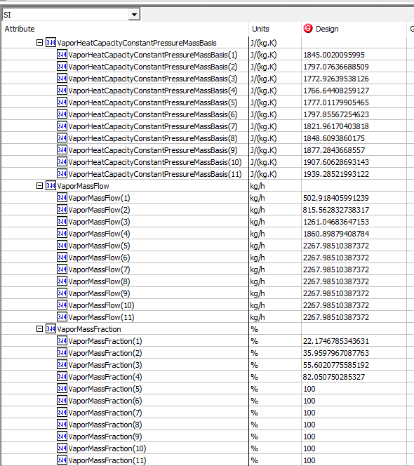
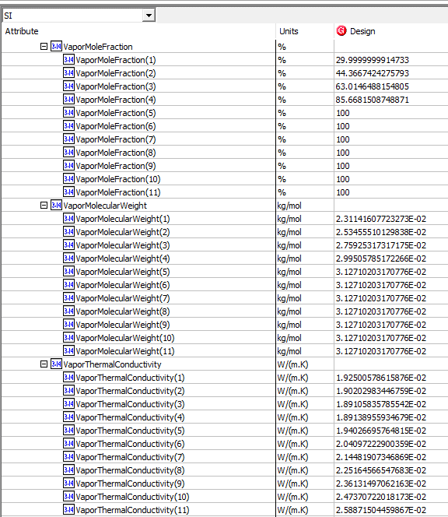
 | Light Liq. Thermal Conductivity | ColdSide.Curves.LiquidThermalConductivity(11) | ColdSide.FluidProfilesTable.LiquidThermalConductivity(11) | <empty> | W/m-K
Curves | Liquid Mass Specific Heat | ColdSide.Curves.LiquidSpecificHeat(1) | ColdSide.FluidProfilesTable.LiquidSpecificHeat(1) | 2.4328636127 | kJ/kg-C
 | Liquid Mass Specific Heat | ColdSide.Curves.LiquidSpecificHeat(2) | ColdSide.FluidProfilesTable.LiquidSpecificHeat(2) | 2.468708789 | kJ/kg-C
 | Liquid Mass Specific Heat | ColdSide.Curves.LiquidSpecificHeat(3) | ColdSide.FluidProfilesTable.LiquidSpecificHeat(3) | 2.4974334547 | kJ/kg-C
 | Liquid Mass Specific Heat | ColdSide.Curves.LiquidSpecificHeat(4) | ColdSide.FluidProfilesTable.LiquidSpecificHeat(4) | 2.5291322766 | kJ/kg-C
 | Liquid Mass Specific Heat | ColdSide.Curves.LiquidSpecificHeat(5) | ColdSide.FluidProfilesTable.LiquidSpecificHeat(5) | <empty> | kJ/kg-C
 | Liquid Mass Specific Heat | ColdSide.Curves.LiquidSpecificHeat(6) | ColdSide.FluidProfilesTable.LiquidSpecificHeat(6) | <empty> | kJ/kg-C
 | Liquid Mass Specific Heat | ColdSide.Curves.LiquidSpecificHeat(7) | ColdSide.FluidProfilesTable.LiquidSpecificHeat(7) | <empty> | kJ/kg-C
 | Liquid Mass Specific Heat | ColdSide.Curves.LiquidSpecificHeat(8) | ColdSide.FluidProfilesTable.LiquidSpecificHeat(8) | <empty> | kJ/kg-C
 | Liquid Mass Specific Heat | ColdSide.Curves.LiquidSpecificHeat(9) | ColdSide.FluidProfilesTable.LiquidSpecificHeat(9) | <empty> | kJ/kg-C
 | Liquid Mass Specific Heat | ColdSide.Curves.LiquidSpecificHeat(10) | ColdSide.FluidProfilesTable.LiquidSpecificHeat(10) | <empty> | kJ/kg-C
 | Liquid Mass Specific Heat | ColdSide.Curves.LiquidSpecificHeat(11) | ColdSide.FluidProfilesTable.LiquidSpecificHeat(11) | <empty> | kJ/kg-C
Curves | Light Liq. Viscosity | ColdSide.Curves.LiquidViscosity(1) | ColdSide.FluidProfilesTable.LiquidViscosity(1) | 0.1355266139 | cP
 | Light Liq. Viscosity | ColdSide.Curves.LiquidViscosity(2) | ColdSide.FluidProfilesTable.LiquidViscosity(2) | 0.13030737339 | cP
 | Light Liq. Viscosity | ColdSide.Curves.LiquidViscosity(3) | ColdSide.FluidProfilesTable.LiquidViscosity(3) | 0.12708045531 | cP
 | Light Liq. Viscosity | ColdSide.Curves.LiquidViscosity(4) | ColdSide.FluidProfilesTable.LiquidViscosity(4) | 0.12400512773 | cP
 | Light Liq. Viscosity | ColdSide.Curves.LiquidViscosity(5) | ColdSide.FluidProfilesTable.LiquidViscosity(5) | <empty> | cP
 | Light Liq. Viscosity | ColdSide.Curves.LiquidViscosity(6) | ColdSide.FluidProfilesTable.LiquidViscosity(6) | <empty> | cP
 | Light Liq. Viscosity | ColdSide.Curves.LiquidViscosity(7) | ColdSide.FluidProfilesTable.LiquidViscosity(7) | <empty> | cP
 | Light Liq. Viscosity | ColdSide.Curves.LiquidViscosity(8) | ColdSide.FluidProfilesTable.LiquidViscosity(8) | <empty> | cP
 | Light Liq. Viscosity | ColdSide.Curves.LiquidViscosity(9) | ColdSide.FluidProfilesTable.LiquidViscosity(9) | <empty> | cP
 | Light Liq. Viscosity | ColdSide.Curves.LiquidViscosity(10) | ColdSide.FluidProfilesTable.LiquidViscosity(10) | <empty> | cP
 | Light Liq. Viscosity | ColdSide.Curves.LiquidViscosity(11) | ColdSide.FluidProfilesTable.LiquidViscosity(11) | <empty> | cP
Curves | Pressure | ColdSide.Curves.Pressure (1) | ColdSide.FluidProfilesTable.Pressure (1) | 861.84488585 | kPa
 | Pressure | ColdSide.Curves.Pressure (2) | ColdSide.FluidProfilesTable.Pressure (2) | 858.3975063 | kPa
 | Pressure | ColdSide.Curves.Pressure (3) | ColdSide.FluidProfilesTable.Pressure (3) | 854.95012676 | kPa
 | Pressure | ColdSide.Curves.Pressure (4) | ColdSide.FluidProfilesTable.Pressure (4) | 851.50274722 | kPa
 | Pressure | ColdSide.Curves.Pressure (5) | ColdSide.FluidProfilesTable.Pressure (5) | 848.05536767 | kPa
 | Pressure | ColdSide.Curves.Pressure (6) | ColdSide.FluidProfilesTable.Pressure (6) | 844.60798813 | kPa
 | Pressure | ColdSide.Curves.Pressure (7) | ColdSide.FluidProfilesTable.Pressure (7) | 841.16060859 | kPa
 | Pressure | ColdSide.Curves.Pressure (8) | ColdSide.FluidProfilesTable.Pressure (8) | 837.71322904 | kPa
 | Pressure | ColdSide.Curves.Pressure (9) | ColdSide.FluidProfilesTable.Pressure (9) | 834.2658495 | kPa
 | Pressure | ColdSide.Curves.Pressure (10) | ColdSide.FluidProfilesTable.Pressure (10) | 830.81846996 | kPa
 | Pressure | ColdSide.Curves.Pressure (11) | ColdSide.FluidProfilesTable.Pressure (11) | 827.37109041 | kPa
Curves | Temperature | ColdSide.Curves.Temperature(1) | ColdSide.FluidProfilesTable.Temperature(1) | 224.11289317 | K
 | Temperature | ColdSide.Curves.Temperature(2) | ColdSide.FluidProfilesTable.Temperature(2) | 234.18327052 | K
 | Temperature | ColdSide.Curves.Temperature(3) | ColdSide.FluidProfilesTable.Temperature(3) | 244.25364787 | K
 | Temperature | ColdSide.Curves.Temperature(4) | ColdSide.FluidProfilesTable.Temperature(4) | 254.32402522 | K
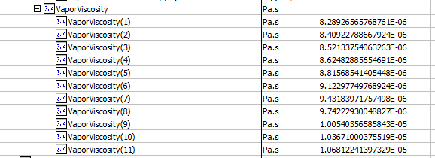
 | Temperature | ColdSide.Curves.Temperature(5) | ColdSide.FluidProfilesTable.Temperature(5) | 264.39440257 | K
 | Temperature | ColdSide.Curves.Temperature(6) | ColdSide.FluidProfilesTable.Temperature(6) | 274.46477992 | K
 | Temperature | ColdSide.Curves.Temperature(7) | ColdSide.FluidProfilesTable.Temperature(7) | 284.53515727 | K
 | Temperature | ColdSide.Curves.Temperature(8) | ColdSide.FluidProfilesTable.Temperature(8) | 294.60553462 | K
 | Temperature | ColdSide.Curves.Temperature(9) | ColdSide.FluidProfilesTable.Temperature(9) | 304.67591197 | K
 | Temperature | ColdSide.Curves.Temperature(10) | ColdSide.FluidProfilesTable.Temperature(10) | 314.74628932 | K
 | Temperature | ColdSide.Curves.Temperature(11) | ColdSide.FluidProfilesTable.Temperature(11) | 324.81666667 | K
Curves | Vapor Density | ColdSideCurves.VaporDensityMassBasis(1) | ColdSide.FluidProfilesTable.VaporDensityMassBasis(1) | 11.816830789 | kg/m3
 | Vapor Density | ColdSideCurves.VaporDensityMassBasis(2) | ColdSide.FluidProfilesTable.VaporDensityMassBasis(2) | 12.432594567 | kg/m3
 | Vapor Density | ColdSideCurves.VaporDensityMassBasis(3) | ColdSide.FluidProfilesTable.VaporDensityMassBasis(3) | 12.999810099 | kg/m3
 | Vapor Density | ColdSideCurves.VaporDensityMassBasis(4) | ColdSide.FluidProfilesTable.VaporDensityMassBasis(4) | 13.574189902 | kg/m3
 | Vapor Density | ColdSideCurves.VaporDensityMassBasis(5) | ColdSide.FluidProfilesTable.VaporDensityMassBasis(5) | 13.524593602 | kg/m3
 | Vapor Density | ColdSideCurves.VaporDensityMassBasis(6) | ColdSide.FluidProfilesTable.VaporDensityMassBasis(6) | 12.803518795 | kg/m3
 | Vapor Density | ColdSideCurves.VaporDensityMassBasis(7) | ColdSide.FluidProfilesTable.VaporDensityMassBasis(7) | 12.161692326 | kg/m3
 | Vapor Density | ColdSideCurves.VaporDensityMassBasis(8) | ColdSide.FluidProfilesTable.VaporDensityMassBasis(8) | 11.585176162 | kg/m3
 | Vapor Density | ColdSideCurves.VaporDensityMassBasis(9) | ColdSide.FluidProfilesTable.VaporDensityMassBasis(9) | 11.063359494 | kg/m3
 | Vapor Density | ColdSideCurves.VaporDensityMassBasis(10) | ColdSide.FluidProfilesTable.VaporDensityMassBasis(10) | 10.587976721 | kg/m3
 | Vapor Density | ColdSideCurves.VaporDensityMassBasis(11) | ColdSide.FluidProfilesTable.VaporDensityMassBasis(11) | 10.152464084 | kg/m3
Curves | Vapor Mass Flow | ColdSide.Curves.VaporMassFlow(1) | ColdSide.FluidProfilesTable.VaporMassFlow(1) | 502.91841001 | kg/h
 | Vapor Mass Flow | ColdSide.Curves.VaporMassFlow(2) | ColdSide.FluidProfilesTable.VaporMassFlow(2) | 815.56283926 | kg/h
 | Vapor Mass Flow | ColdSide.Curves.VaporMassFlow(3) | ColdSide.FluidProfilesTable.VaporMassFlow(3) | 1261.0468466 | kg/h
 | Vapor Mass Flow | ColdSide.Curves.VaporMassFlow(4) | ColdSide.FluidProfilesTable.VaporMassFlow(4) | 1860.898809 | kg/h
 | Vapor Mass Flow | ColdSide.Curves.VaporMassFlow(5) | ColdSide.FluidProfilesTable.VaporMassFlow(5) | 2267.985122 | kg/h
 | Vapor Mass Flow | ColdSide.Curves.VaporMassFlow(6) | ColdSide.FluidProfilesTable.VaporMassFlow(6) | 2267.985122 | kg/h
 | Vapor Mass Flow | ColdSide.Curves.VaporMassFlow(7) | ColdSide.FluidProfilesTable.VaporMassFlow(7) | 2267.985122 | kg/h
 | Vapor Mass Flow | ColdSide.Curves.VaporMassFlow(8) | ColdSide.FluidProfilesTable.VaporMassFlow(8) | 2267.985122 | kg/h
 | Vapor Mass Flow | ColdSide.Curves.VaporMassFlow(9) | ColdSide.FluidProfilesTable.VaporMassFlow(9) | 2267.985122 | kg/h
 | Vapor Mass Flow | ColdSide.Curves.VaporMassFlow(10) | ColdSide.FluidProfilesTable.VaporMassFlow(10) | 2267.985122 | kg/h
 | Vapor Mass Flow | ColdSide.Curves.VaporMassFlow(11) | ColdSide.FluidProfilesTable.VaporMassFlow(11) | 2267.985122 | kg/h
Curves | Vapor Phase Mass Fraction | ColdSide.Curves.VaporMassFraction(1) | ColdSide.FluidProfilesTable.VaporMassFraction(1) | 0.22174678534
 | Vapor Phase Mass Fraction | ColdSide.Curves.VaporMassFraction(2) | ColdSide.FluidProfilesTable.VaporMassFraction(2) | 0.35959796709
 | Vapor Phase Mass Fraction | ColdSide.Curves.VaporMassFraction(3) | ColdSide.FluidProfilesTable.VaporMassFraction(3) | 0.55602077559
 | Vapor Phase Mass Fraction | ColdSide.Curves.VaporMassFraction(4) | ColdSide.FluidProfilesTable.VaporMassFraction(4) | 0.82050750285
 | Vapor Phase Mass Fraction | ColdSide.Curves.VaporMassFraction(5) | ColdSide.FluidProfilesTable.VaporMassFraction(5) | 1
 | Vapor Phase Mass Fraction | ColdSide.Curves.VaporMassFraction(6) | ColdSide.FluidProfilesTable.VaporMassFraction(6) | 1
 | Vapor Phase Mass Fraction | ColdSide.Curves.VaporMassFraction(7) | ColdSide.FluidProfilesTable.VaporMassFraction(7) | 1
 | Vapor Phase Mass Fraction | ColdSide.Curves.VaporMassFraction(8) | ColdSide.FluidProfilesTable.VaporMassFraction(8) | 1
 | Vapor Phase Mass Fraction | ColdSide.Curves.VaporMassFraction(9) | ColdSide.FluidProfilesTable.VaporMassFraction(9) | 1
 | Vapor Phase Mass Fraction | ColdSide.Curves.VaporMassFraction(10) | ColdSide.FluidProfilesTable.VaporMassFraction(10) | 1
 | Vapor Phase Mass Fraction | ColdSide.Curves.VaporMassFraction(11) | ColdSide.FluidProfilesTable.VaporMassFraction(11) | 1
Curves | Vapor Frac. | ColdSide.Curves.VaporMoleFraction(1) | ColdSide.FluidProfilesTable.VaporMoleFraction(1) | 0.29999999991
 | Vapor Frac. | ColdSide.Curves.VaporMoleFraction(2) | ColdSide.FluidProfilesTable.VaporMoleFraction(2) | 0.44366742428
 | Vapor Frac. | ColdSide.Curves.VaporMoleFraction(3) | ColdSide.FluidProfilesTable.VaporMoleFraction(3) | 0.63014648815
 | Vapor Frac. | ColdSide.Curves.VaporMoleFraction(4) | ColdSide.FluidProfilesTable.VaporMoleFraction(4) | 0.85668150875
 | Vapor Frac. | ColdSide.Curves.VaporMoleFraction(5) | ColdSide.FluidProfilesTable.VaporMoleFraction(5) | 1
 | Vapor Frac. | ColdSide.Curves.VaporMoleFraction(6) | ColdSide.FluidProfilesTable.VaporMoleFraction(6) | 1
 | Vapor Frac. | ColdSide.Curves.VaporMoleFraction(7) | ColdSide.FluidProfilesTable.VaporMoleFraction(7) | 1
 | Vapor Frac. | ColdSide.Curves.VaporMoleFraction(8) | ColdSide.FluidProfilesTable.VaporMoleFraction(8) | 1
 | Vapor Frac. | ColdSide.Curves.VaporMoleFraction(9) | ColdSide.FluidProfilesTable.VaporMoleFraction(9) | 1
 | Vapor Frac. | ColdSide.Curves.VaporMoleFraction(10) | ColdSide.FluidProfilesTable.VaporMoleFraction(10) | 1
 | Vapor Frac. | ColdSide.Curves.VaporMoleFraction(11) | ColdSide.FluidProfilesTable.VaporMoleFraction(11) | 1
Curves | Vapor Mas Specific Heat | ColdSide.Curves.VaporSpecificHeat(1) | ColdSide.FluidProfilesTable.VaporSpecificHeat(1) | 1.8450020096 | kJ/kg-C
 | Vapor Mas Specific Heat | ColdSide.Curves.VaporSpecificHeat(2) | ColdSide.FluidProfilesTable.VaporSpecificHeat(2) | 1.7970763669 | kJ/kg-C
 | Vapor Mas Specific Heat | ColdSide.Curves.VaporSpecificHeat(3) | ColdSide.FluidProfilesTable.VaporSpecificHeat(3) | 1.7729263954 | kJ/kg-C
 | Vapor Mas Specific Heat | ColdSide.Curves.VaporSpecificHeat(4) | ColdSide.FluidProfilesTable.VaporSpecificHeat(4) | 1.7666440826 | kJ/kg-C
 | Vapor Mas Specific Heat | ColdSide.Curves.VaporSpecificHeat(5) | ColdSide.FluidProfilesTable.VaporSpecificHeat(5) | 1.7770117991 | kJ/kg-C
 | Vapor Mas Specific Heat | ColdSide.Curves.VaporSpecificHeat(6) | ColdSide.FluidProfilesTable.VaporSpecificHeat(6) | 1.7978556725 | kJ/kg-C
 | Vapor Mas Specific Heat | ColdSide.Curves.VaporSpecificHeat(7) | ColdSide.FluidProfilesTable.VaporSpecificHeat(7) | 1.821961704 | kJ/kg-C
 | Vapor Mas Specific Heat | ColdSide.Curves.VaporSpecificHeat(8) | ColdSide.FluidProfilesTable.VaporSpecificHeat(8) | 1.848609386 | kJ/kg-C
 | Vapor Mas Specific Heat | ColdSide.Curves.VaporSpecificHeat(9) | ColdSide.FluidProfilesTable.VaporSpecificHeat(9) | 1.8772843669 | kJ/kg-C
 | Vapor Mas Specific Heat | ColdSide.Curves.VaporSpecificHeat(10) | ColdSide.FluidProfilesTable.VaporSpecificHeat(10) | 1.9076062869 | kJ/kg-C
 | Vapor Mas Specific Heat | ColdSide.Curves.VaporSpecificHeat(11) | ColdSide.FluidProfilesTable.VaporSpecificHeat(11) | 1.9392852199 | kJ/kg-C
Curves | Vapor MV | ColdSide.Curves.VaporMolecularWeight(1) | ColdSide.FluidProfilesTable.VaporMolecularWeight(1) | 23.114160772 | g/mol
 | Vapor MV | ColdSide.Curves.VaporMolecularWeight(2) | ColdSide.FluidProfilesTable.VaporMolecularWeight(2) | 25.345551013 | g/mol
 | Vapor MV | ColdSide.Curves.VaporMolecularWeight(3) | ColdSide.FluidProfilesTable.VaporMolecularWeight(3) | 27.592531732 | g/mol
 | Vapor MV | ColdSide.Curves.VaporMolecularWeight(4) | ColdSide.FluidProfilesTable.VaporMolecularWeight(4) | 29.950578517 | g/mol
 | Vapor MV | ColdSide.Curves.VaporMolecularWeight(5) | ColdSide.FluidProfilesTable.VaporMolecularWeight(5) | 31.271020317 | g/mol
 | Vapor MV | ColdSide.Curves.VaporMolecularWeight(6) | ColdSide.FluidProfilesTable.VaporMolecularWeight(6) | 31.271020317 | g/mol
 | Vapor MV | ColdSide.Curves.VaporMolecularWeight(7) | ColdSide.FluidProfilesTable.VaporMolecularWeight(7) | 31.271020317 | g/mol
 | Vapor MV | ColdSide.Curves.VaporMolecularWeight(8) | ColdSide.FluidProfilesTable.VaporMolecularWeight(8) | 31.271020317 | g/mol
 | Vapor MV | ColdSide.Curves.VaporMolecularWeight(9) | ColdSide.FluidProfilesTable.VaporMolecularWeight(9) | 31.271020317 | g/mol
 | Vapor MV | ColdSide.Curves.VaporMolecularWeight(10) | ColdSide.FluidProfilesTable.VaporMolecularWeight(10) | 31.271020317 | g/mol
 | Vapor MV | ColdSide.Curves.VaporMolecularWeight(11) | ColdSide.FluidProfilesTable.VaporMolecularWeight(11) | 31.271020317 | g/mol
Curves | Vapor Thermal Cond. | ColdSide.Curves.VaporThermalConductivity(1) | ColdSide.FluidProfilesTable.VaporThermalConductivity(1) | 0.019250057862 | W/m-K
 | Vapor Thermal Cond. | ColdSide.Curves.VaporThermalConductivity(2) | ColdSide.FluidProfilesTable.VaporThermalConductivity(2) | 0.019020298345 | W/m-K
 | Vapor Thermal Cond. | ColdSide.Curves.VaporThermalConductivity(3) | ColdSide.FluidProfilesTable.VaporThermalConductivity(3) | 0.018910583579 | W/m-K
 | Vapor Thermal Cond. | ColdSide.Curves.VaporThermalConductivity(4) | ColdSide.FluidProfilesTable.VaporThermalConductivity(4) | 0.018913895593 | W/m-K
 | Vapor Thermal Cond. | ColdSide.Curves.VaporThermalConductivity(5) | ColdSide.FluidProfilesTable.VaporThermalConductivity(5) | 0.019402669576 | W/m-K
 | Vapor Thermal Cond. | ColdSide.Curves.VaporThermalConductivity(6) | ColdSide.FluidProfilesTable.VaporThermalConductivity(6) | 0.02040972229 | W/m-K
 | Vapor Thermal Cond. | ColdSide.Curves.VaporThermalConductivity(7) | ColdSide.FluidProfilesTable.VaporThermalConductivity(7) | 0.021448190735 | W/m-K
 | Vapor Thermal Cond. | ColdSide.Curves.VaporThermalConductivity(8) | ColdSide.FluidProfilesTable.VaporThermalConductivity(8) | 0.022516456655 | W/m-K
 | Vapor Thermal Cond. | ColdSide.Curves.VaporThermalConductivity(9) | ColdSide.FluidProfilesTable.VaporThermalConductivity(9) | 0.023613149706 | W/m-K
 | Vapor Thermal Cond. | ColdSide.Curves.VaporThermalConductivity(10) | ColdSide.FluidProfilesTable.VaporThermalConductivity(10) | 0.024737072202 | W/m-K
 | Vapor Thermal Cond. | ColdSide.Curves.VaporThermalConductivity(11) | ColdSide.FluidProfilesTable.VaporThermalConductivity(11) | 0.025887150446 | W/m-K
Curves | Vapor Viscosity | ColdSide.Curves.VaporViscosity(1) | ColdSide.FluidProfilesTable.VaporViscosity(1) | 0.0082892656577 | cP
 | Vapor Viscosity | ColdSide.Curves.VaporViscosity(2) | ColdSide.FluidProfilesTable.VaporViscosity(2) | 0.0084092278867 | cP
 | Vapor Viscosity | ColdSide.Curves.VaporViscosity(3) | ColdSide.FluidProfilesTable.VaporViscosity(3) | 0.0085213375406 | cP
 | Vapor Viscosity | ColdSide.Curves.VaporViscosity(4) | ColdSide.FluidProfilesTable.VaporViscosity(4) | 0.0086248288565 | cP
 | Vapor Viscosity | ColdSide.Curves.VaporViscosity(5) | ColdSide.FluidProfilesTable.VaporViscosity(5) | 0.0088156854141 | cP
 | Vapor Viscosity | ColdSide.Curves.VaporViscosity(6) | ColdSide.FluidProfilesTable.VaporViscosity(6) | 0.0091229774977 | cP
 | Vapor Viscosity | ColdSide.Curves.VaporViscosity(7) | ColdSide.FluidProfilesTable.VaporViscosity(7) | 0.0094318397176 | cP
 | Vapor Viscosity | ColdSide.Curves.VaporViscosity(8) | ColdSide.FluidProfilesTable.VaporViscosity(8) | 0.0097422293005 | cP
 | Vapor Viscosity | ColdSide.Curves.VaporViscosity(9) | ColdSide.FluidProfilesTable.VaporViscosity(9) | 0.010054035659 | cP
 | Vapor Viscosity | ColdSide.Curves.VaporViscosity(10) | ColdSide.FluidProfilesTable.VaporViscosity(10) | 0.010367100038 | cP
 | Vapor Viscosity | ColdSide.Curves.VaporViscosity(11) | ColdSide.FluidProfilesTable.VaporViscosity(11) | 0.01068122414 | cP

Simple Shell and Tube
File name | shell and tube heat exchanger.hsc
Unit Operation | E-01 Simple Design

Workflow
1. Open attached shell and tube heat exchanger.hsc file.
2. Click on the Datasheet button on the ribbon.
3. Select a server to connect, then connect to a workspace.
4. Go to Mapper tab, click on the hyperlink of E-01 Simple Design to open Object Mapping screen.
5. Select 'Shell and Tube Heat Exchanger' for the MapAs Column, and 'Create' for Workspace Object column.
6. Make sure the ports of valve are mapped automated.
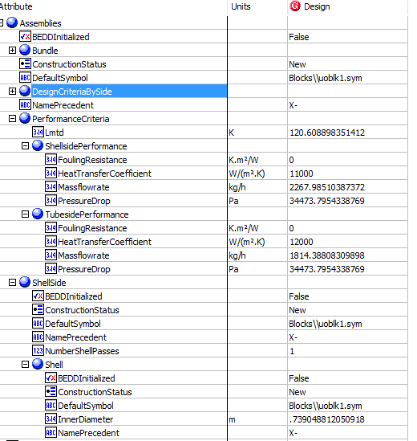
7. Click on Close icon at the top right to close the Object Mapping screen.
8. Click Save Change and Transfer button.
9. Click on the Explorer tab, click on E-01 Simple Design in by Equipment view. Make sure all data are correctly.

Expected Results |  | Notes: For Index 21 and 22, please manully type the value in Hysys, then transfer

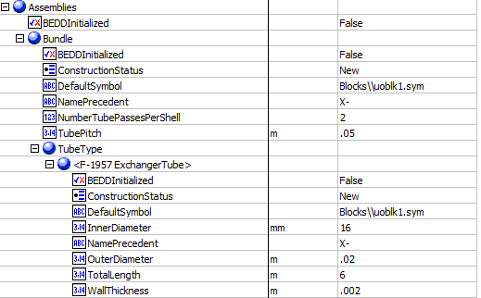
Shell And Tube Exchanger (CQ00748796)
 |  |  |  |  |  | Assembies
Index Number | Attributes | AbeAdsClass View | ABE Default Attributes | Hysys Value | Units

1 | Tube side mass flowrate | TubeSideMassFlow | Assemblies.PerformanceCriteria.TubesidePerformance.Massflowrate | 1814.3880976 | kg/h
2 | Shell side mass flowrate | ShellSideMassFlow | Assemblies.PerformanceCriteria.ShellsidePerformance.Massflowrate | 2267.985122 | kg/h
17 | Shell side allowable pressure drop | ShellPressureDropAllowable | Assemblies.PerformanceCriteria.ShellsidePerformance.PressureDrop | 34.473795434 | kPa
18 | Tube side allowable pressure drop | TubePressureDropAllowable | Assemblies.PerformanceCriteria.TubesidePerformance.PressureDrop | 34.473795434 | kPa
19 | shell side fouling resistance | ShellFoulingResistance | Assemblies.PerformanceCriteria.ShellsidePerformance.FoulingResistance | 0 | C-h-m2/kJ
20 | Tube side fouling resistance | TubeFoulingResistance | Assemblies.PerformanceCriteria.TubesidePerformance.FoulingResistance | 0 | C-h-m2/kJ
21 | Shell side heat transfer coefficient | ShellHeatTransferCoefficient | Assemblies.PerformanceCriteria.ShellsidePerformance.HeatTransferCoefficient | 11000 | W/m2-K
22 | Tube side heat transfer coefficient | TubeHeatTransferCoefficient | Assemblies.PerformanceCriteria.TubesidePerformance.HeatTransferCoefficient | 22000 | W/m2-K
24 | LMTD | LogMeanTemperatureDifference | Assemblies.PerformanceCriteria.Lmtd | 120.60889835 | K
25 | Tube side OD |  | Assemblies.Bundle.TubeType.OuterDiameter | 20 | mm
26 | Tube thickness | TubeWALLThickness | Assemblies.Bundle.TubeType(1).WallThickness | 2 | mm
27 | Tube length | TubeLength | Assemblies.Bundle.TubeType(1).TotalLength | 6 | m
29 | tube pitch | TubePitch | Assemblies.Bundle.TubePitch | 50 | mm
67 | Number of ShellPasses | NumberOfShellPasses | Assemblies.ShellSide.NumberShellPasses | 1
68 | ShellTEAMType | ShellTEMAType | Assemblies.ShellSide.TemaShellType | AEL
71 | NumberofTubePassesPerShell | ShellParallel | Assemblies.Bundle.NumberTubePassesPerShell | 2
72 | TubeInsideDiameter | ShellSeries | Assemblies.Bundle.TubeType(1).InnerDiameter | 16 | mm

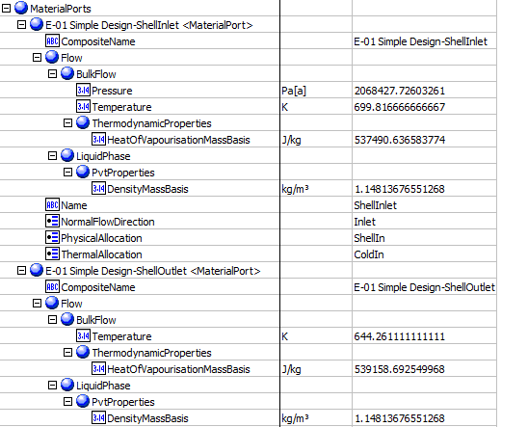
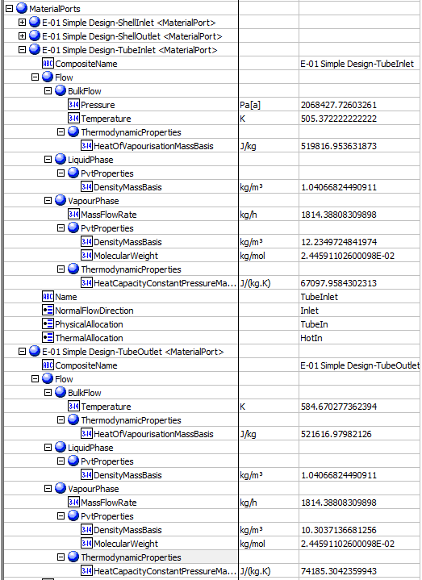
 |  |  |  |  |  | MaterialPorts-ShellSide | MaterialPorts-TubeSide
3 | Shell side inlet temperature | ShellInletTemperature | MaterialPorts[PhysicalAllocation="ShellIn"].Flow.BulkFlow.Temperature | 699.81666667 | K
4 | Shell side outlet temperature | ShellOutletTemperature | MaterialPorts[PhysicalAllocation="ShellOut"].Flow.BulkFlow.Temperature | 644.26111111 | K
5 | tube side inlet temperature | TubeInletTemperature | MaterialPorts[PhysicalAllocation="TubeIn"].Flow.BulkFlow.Temperature | 505.37222222 | K
6 | tube side outlet temperture | TubeOutletTemperature | MaterialPorts[PhysicalAllocation="TubeOut"].Flow.BulkFlow.Temperature | 584.67027736 | K
7 | shell side inlet liquid mass density | ShellSideInletLiquidMassDensity | MaterialPorts[PhysicalAllocation="ShellInlet"].Flow.LiquidPhase.PvtProperties.DensityMassBasis | 1.1481367655 | kg/m3
8 | shell side outlet liquid mass density | ShellSideOutletLiquidMassDensity | MaterialPorts[PhysicalAllocation="ShellOut"].Flow.LiquidPhase.PvtProperties.DensityMassBasis | 1.1481367655 | kg/m3
9 | tube side inlet liquid mass density | TubeSideInletLiquidMassDensity | MaterialPorts[PhysicalAllocation="TubeInlet"].Flow.LiquidPhase.PvtProperties.DensityMassBasis | 1.0406682449 | kg/m3
10 | tube side outlet liquid mass density | TubeSideOutletLiquidMassDensity | MaterialPorts[PhysicalAllocation="TubeOut"].Flow.LiquidPhase.PvtProperties.DensityMassBasis | 1.0406682449 | kg/m3
11 | shell side inlet latent heat | ShellSideInletLatentHeat | MaterialPorts[PhysicalAllocation="ShellIn"].Flow.LiquidPhase.ThermodynamicProperties.HeatOfVapourisationMassBasis | 537.49063658 | kJ/kg
12 | shell side outlet latent heat | ShellSideOutLetLatentHeat | MaterialPorts[PhysicalAllocation="ShellOut"].Flow.LiquidPhase.ThermodynamicProperties.HeatOfVapourisationMassBasis | 539.15869255 | kJ/kg
13 | tube side inlet latent heat | TubeSideInletLatentHeat | MaterialPorts[PhysicalAllocation="TubeIn"].Flow.LiquidPhase.ThermodynamicProperties.HeatOfVapourisationMassBasis | 519.81695363 | kJ/kg
14 | tube side outlet latent heat | TubeSideOutLetLatentHeat | MaterialPorts[PhysicalAllocation="TubeOut"].Flow.LiquidPhase.ThermodynamicProperties.HeatOfVapourisationMassBasis | 521.61697982 | kJ/kg
15 | shell side inlet pressure | ShellSideInletPressure | MaterialPorts[PhysicalAllocation="ShellIn"].Flow.BulkFlow.Pressure | 2068.427726 | kPa
16 | tube side inlet pressure | TubeSideInletPressure | MaterialPorts[PhysicalAllocation="TubeIn"].Flow.BulkFlow.Pressure | 2068.427726 | kPa

23 | Duty | Duty | PerformanceCriteria.PerformanceData(1).HeatDuty | 115536.83652 | W
28 | Shell ID | ShellDiameter | ShellAndTubeHeatExchanger.ShellDiameterInner | 739.04881205 | mm
62 | UA | UA | PerformanceCriteria.OverallHeatTransferCoefficient | 957.94620544 | W/C
63 | UACurvatureError | UaCurvatureError | UaCurvatureError | 0
64 | FT factor | FTFactor | FTFactor | 0.95232374196
65 | HeatLeak | HeatLeak | HeatLeak | 0 | kg/h
66 | HeatLoss | HeatLoss | HeatLoss | 0 | kg/h
69 | Number of Shell in Parallel | ShellParallel | NumberShellsInParallel | 1
70 | Number of Shell in Series | ShellSeries | NumberShellsInSeries | 1 |  | Other Value
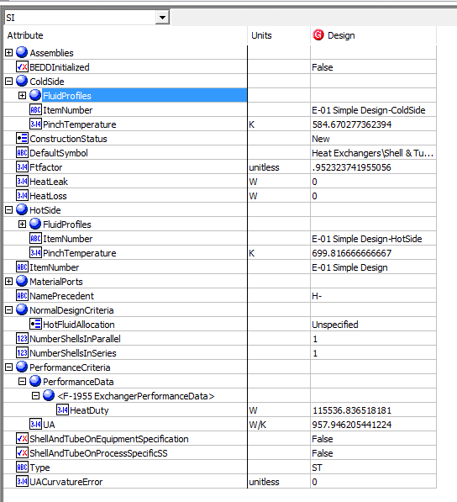
90 | TemperatureHotPinch | TemperatureHotPinch | HotSide.PinchTemperature | 699.81666667 | K
91 | TemperatureColdPinch | TemperatureColdPinch | ColdSide.PinchTemperature | 584.67027736 | K

Rigorous Shell and Tube
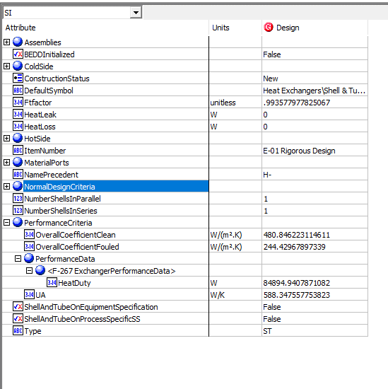
File name | shell and tube heat exchanger.hsc
Unit Operation | E-01 Rigorous Design

Workflow
1. Open attached shell and tube heat exchanger.hsc file.
2. Click on the Datasheet button on the ribbon.
3. Select a server to connect, then connect to a workspace.
4. Go to Mapper tab, click on the hyperlink of E-01 Rigorous Design to open Object Mapping screen.
5. Select 'Shell and Tube Heat Exchanger' for the MapAs Column, and 'Create' for Workspace Object column.
6. Make sure the ports of valve are mapped automated.
7. Click on Close icon at the top right to close the Object Mapping screen.
8. Click Save Change and Transfer button.
9. Click on the Explorer tab, click on E-01 Rigorous Design in by Equipment view. Make sure all data are correctly.

Expected Results

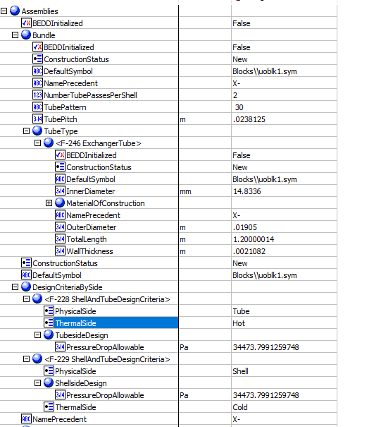
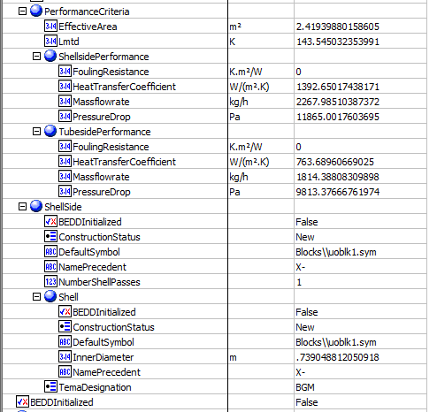
Shell And Tube Exchanger (CQ00746225)
 |  |  |  |  |  | Assemblies
Index Number | Attributes | AbeAds Class View | ABE Class/Shell and Tube Heat Exchanger For Transfer from Hysys | Baseline | Units

1 | Tube side mass flowrate | TubeSideMassFlow | Assemblies.PerformanceCriteria.TubesidePerformance.Massflowrate | 1814.3880976 | kg/h
2 | Shell side mass flowrate | ShellSideMassFlow | Assemblies.PerformanceCriteria.ShellsidePerformance.Massflowrate | 2267.985122 | kg/h
17 | Shell side allowable pressure drop | ShellPressureDropAllowable | Assemblies.DesignCriteriaBySide[PhysicalSide="Shell"].PressureDrop | 34.473799126 | kPa | Shell Inlet | Shell Outlet
18 | Tube side allowable pressure drop | TubePressureDropAllowable | Assemblies.DesignCriteriaBySide[PhysicalSide="Tube"].PressureDrop | 34.473799126 | kPa
19 | shell side fouling resistance | ShellFoulingResistance | Assemblies.PerformanceCriteria.ShellsidePerformance.FoulingResistance | 0 | C-h-m2/kJ
20 | Tube side fouling resistance | TubeFoulingResistance | Assemblies.PerformanceCriteria.TubesidePerformance.FoulingResistance | 0 | C-h-m2/kJ
21 | Shell side heat transfer coefficient | ShellHeatTransferCoefficient | Assemblies.PerformanceCriteria.ShellsidePerformance.HeatTransferCoefficient | 1392.6501744 | W/m2-K
22 | Tube side heat transfer coefficient | TubeHeatTransferCoefficient | Assemblies.PerformanceCriteria.TubesidePerformance.HeatTransferCoefficient | 763.68960669 | W/m2-K
24 | LMTD | LogMeanTemperatureDifference | Assemblies.PerformanceCriteria.Lmtd | 143.54503235 | K
25 | Tube side OD | TubeOutsideDiameter | Assemblies.Bundle.Tube Type. ExchangerTube. OutDiameter | 19.05 | mm
26 | Tube thickness | TubeWALLThickness | Assemblies.Bundle.TubeType(1).WallThickness | 2.1082 | mm
27 | Tube length | TubeLength | Assemblies.Bundle.TubeType(1).TotalLength | 1200.00014 | mm
28 | Shell ID | ShellDiameter | Assemblies. ShellSide.ShellDiameterInner | 739.04881205 | mm
29 | tube pitch | TubePitch | Assemblies.Bundle.TubePitch | 23.8125 | mm
30 | Shell side calculated pressure drop | ShellPressureDropCalculated | Assemblies.ShellSide.NormalOperatingCriteria.PressureDrop | 11.86500176 | kPa
31 | Tube side calculated pressure drop | TubePressureDropCalculated | Assemblies.Bundle.NormalOperatingCriteria.PressureDrop | 9.8133766676 | kPa
76 | Effective Surface Area | AreaEffective | Assemblies.PerformanceCriteria.EffectiveArea | 2.4193988016 | m2
67 | Number of ShellPasses | NumberOfShellPasses | Assemblies.ShellSide.NumberShellPasses | 1
68 | ShellTEAMType | ShellTEMAType | Assemblies.ShellSide.TemaShellType | BGM
71 | NumberofTubePassesPerShell | NumberOfTubePasses | Assemblies.Bundle.NumberTubePassesPerShell | 2
72 | TubeInsideDiameter | TubeInsideDiameter | Assemblies.Bundle.TubeType(1).InnerDiameter | 14.8336 | mm

3 | Shell side inlet temperature | ShellInletTemperature | MaterialPorts[PhysicalAllocation="ShellIn"].Flow.BulkFlow.Temperature | 699.81666667 | K
4 | Shell side outlet temperature | ShellOutletTemperature | MaterialPorts[PhysicalAllocation="ShellOut"].Flow.BulkFlow.Temperature | 659.31912194 | K
5 | tube side inlet temperature | TubeInletTemperature | MaterialPorts[PhysicalAllocation="TubeIn"].Flow.BulkFlow.Temperature | 505.37222222 | K
6 | tube side outlet temperture | TubeOutletTemperature | MaterialPorts[PhysicalAllocation="TubeOut"].Flow.BulkFlow.Temperature | 564.4209434 | K
7 | shell side inlet liquid mass density | ShellSideInletLiquidMassDensity | MaterialPorts[PhysicalAllocation="ShellInlet"].Flow.LiquidPhase.PvtProperties.DensityMassBasis | 1.1481367655 | kg/m3 | MeterialPorts-TubeInlet |  | MeterialPorts-TubeOutlet | MeterialPorts-ShellInlet | MeterialPorts-ShellOutlet
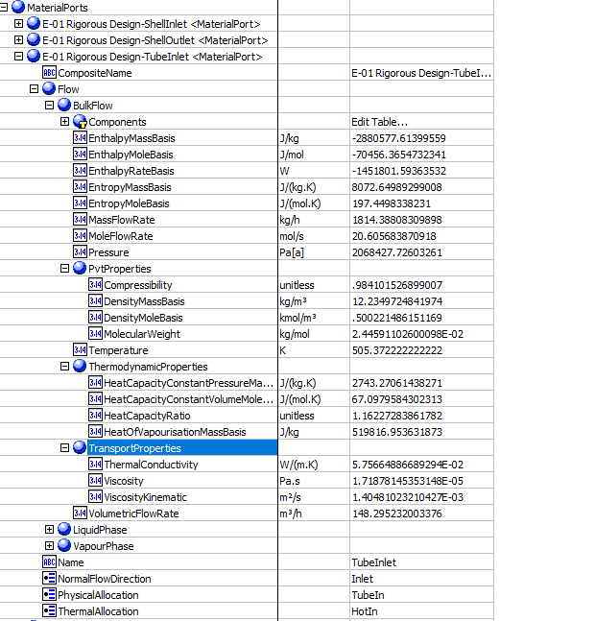
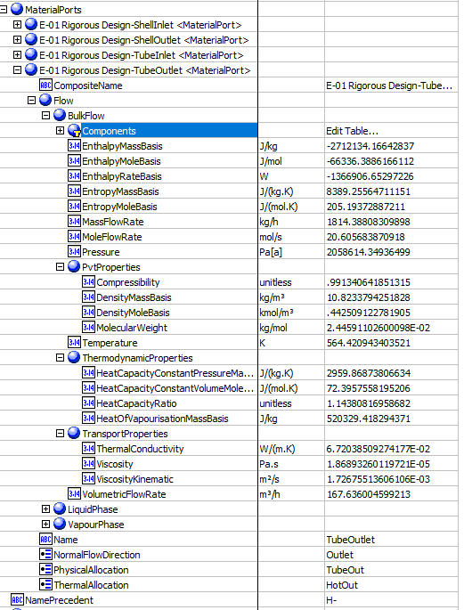
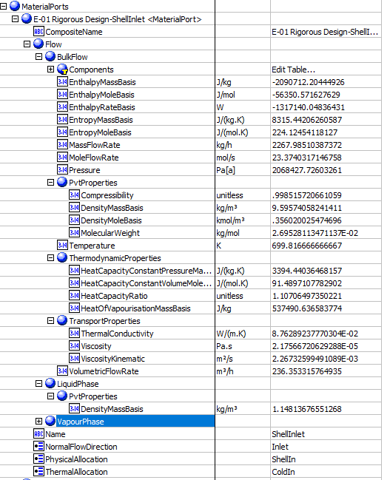
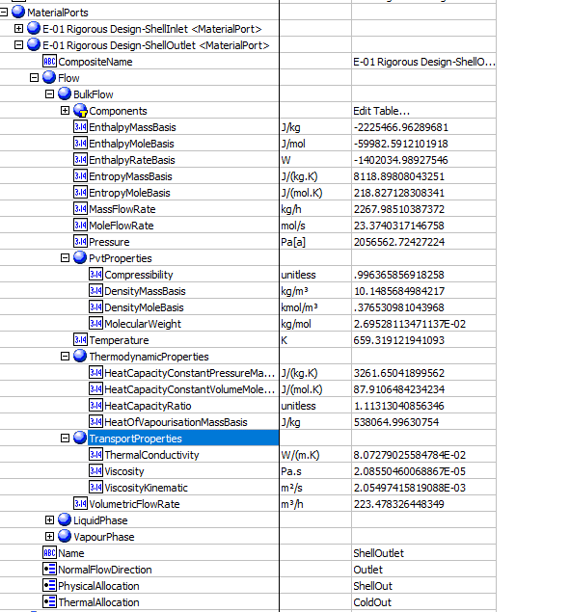
8 | shell side outlet liquid mass density | ShellSideOutletLiquidMassDensity | MaterialPorts[PhysicalAllocation="ShellOut"].Flow.LiquidPhase.PvtProperties.DensityMassBasis | 1.1481367655 | kg/m3
9 | tube side inlet liquid mass density | TubeSideInletLiquidMassDensity | MaterialPorts[PhysicalAllocation="TubeIn"].Flow.LiquidPhase.PvtProperties.DensityMassBasis | 1.0406682449 | kg/m3
10 | tube side outlet liquid mass density | TubeSideOutletLiquidMassDensity | MaterialPorts[PhysicalAllocation="TubeOut"].Flow.LiquidPhase.PvtProperties.DensityMassBasis | 1.0406682449 | kg/m3
11 | shell side inlet latent heat | ShellSideInletLatentHeat | MaterialPorts[PhysicalAllocation="ShellIn"].Flow.LiquidPhase.ThermodynamicProperties.HeatOfVapourisationMassBasis | 537.49063658 | kJ/kg
12 | shell side outlet latent heat | ShellSideOutLetLatentHeat | MaterialPorts[PhysicalAllocation="ShellOut"].Flow.LiquidPhase.ThermodynamicProperties.HeatOfVapourisationMassBasis | 538.06499631 | kJ/kg
13 | tube side inlet latent heat | TubeSideInletLatentHeat | MaterialPorts[PhysicalAllocation="TubeIn"].Flow.BulkFlow.ThermodynamicProperties.HeatOfVapourisationMassBasis (J/kg) | 519.81695363 | kJ/kg
14 | tube side outlet latent heat | TubeSideOutLetLatentHeat | MaterialPorts[PhysicalAllocation="TubeOut"].Flow.BulkFlow.ThermodynamicProperties.HeatOfVapourisationMassBasis (J/kg) | 520.32941829 | kJ/kg
15 | shell side inlet pressure | ShellSideInletPressure | MaterialPorts[PhysicalAllocation="ShellIn"].Flow.BulkFlow.Pressure (Pa[a]) | 2068.427726 | kPa
16 | tube side inlet pressure | TubeSideInletPressure | MaterialPorts[PhysicalAllocation="TubeIn"].Flow.BulkFlow.Pressure | 2068.427726 | kPa

23 | Duty | Duty | PerformanceCriteria.PerformanceData(1).HeatDuty | 84894.940787 | W
62 | UA | UA | PerformanceCriteria.OverallHeatTransferCoefficient | 588.34755775 | W/C
74 | Overall Clean Coefficient | Uclean | PerformanceCriteria.OverallCoefficientClean | 480.84622311 | W/m2-K
75 | Overall Dirty Coefficient | Ufouled | PerformanceCriteria.OverallCoefficientFouled | 244.42967897 | W/m2-K
63 | UACurvatureError | UaCurvatureError | UaCurvatureError | <empty>
64 | FT factor | FT factor | FT factor | 0.99357797783
65 | HeatLeak | HeatLeak | HeatLeak | 0
66 | HeatLoss | HeatLoss | HeatLoss | 0
69 | Number of Shell in Parallel | ShellParallel | NumberShellsInParallel | 1
70 | Number of Shell in Series | ShellSeries | NumberShellsInSeries | 1
73 | Tube Pattern | TubePattern | X:NO ABE Mapping provided | 30-Triangular
90 | TemperatureHotPinch | TemperatureHotPinch | HotSide.PinchTemperature | 699.81666667 | K
91 | TemperatureColdPinch | TemperatureColdPinch | ColdSide.PinchTemperature | 564.4209434 | K

 |  |  |  |  |  | OtherValues

Heat Curves
File name | shell and tube heat exchanger.hsc
Unit Operation | E-01 Simple Design

Workflow
1. Open attached shell and tube heat exchanger.hsc file.
2. Click on the Datasheet button on the ribbon.
3. Select a server to connect, then connect to a workspace.
4. Go to Mapper tab, click on the hyperlink of E-01 Simple Design to open Object Mapping screen.
5. Select 'Shell and Tube Heat Exchanger' for the MapAs Column, and 'Create' for Workspace Object column.
6. Make sure the ports of valve are mapped automated.
7. Click on Close icon at the top right to close the Object Mapping screen.
8. Click Save Change and Transfer button.
9. Click on the Explorer tab, click on E-01 Simple Design in by Equipment view. Make sure all data are correctly.

Expected Results |  | Notes: Existing Defect CQ00770777 V10 [SM]-Hysys-HeatCurves: EnthalpyMoleBasis for HotSide and ColdSide are opposite

HeatCurves (CQ00747073)

Index Number | Ads Path (AdbHeatExchanger) | Attributes | ABE Class View | Hysys Value | Units

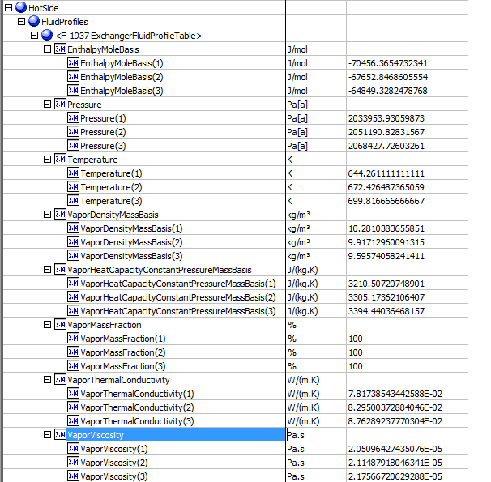
Hot Side |  |  |  |  |  | Hotside
32 | Hot.HeatCurves.Points.Temperature | temperature | HeatingCoolingCurve.Temperature
 |  | 1 | 1 | 644.26111111 | K
 |  | 2 | 2 | 672.42648737 | K
 |  | 3 | 3 | 699.81666667 | K
33 | Hot.HeatCurves.Points.Pressure | pressure | HeatingCoolingCurve.Pressure
 |  | 1 | 1 | 2033.9539 | kPa
 |  | 2 | 2 | 2051.1908 | kPa
 |  | 3 | 3 | 2068.4277 | kPa
62 | Hot.HeatCurves[].Points[].EnthalpyMoleBasis | EnthalpyMoleBasis | HeatingCoolingCurve.EnthalpyMoleBasis
 |  | 1 | 1 | -61293.5287 | kJ/kgmole
 |  | 2 | 2 | -58822.0502 | kJ/kgmole
 |  | 3 | 3 | -56350.5716 | kJ/kgmole
35 | Hot.HeatCurves[].Points[].Vapor.MassFraction | vapor mass fraction | HeatingCoolingCurve.VaporMassFraction
 |  | 1 | 1 | 1
 |  | 2 | 2 | 1
 |  | 3 | 3 | 1
36 | Hot.HeatCurves[].Points[].Vapor.MassDensity | vapor density | HeatingCoolingCurve.VaporDensityMassBasis
 |  | 1 | 1 | 10.281 | kg/m3
 |  | 2 | 2 | 9.9171 | kg/m3
 |  | 3 | 3 | 9.5957 | kg/m3
37 | Hot.HeatCurves[].Points[].Liquid.MassDensity | liquid density | HeatingCoolingCurve.LiquidDensityMassBasis
 |  | 1 | 1 | <empty> | kg/m3
 |  | 2 | 2 | <empty> | kg/m3
 |  | 3 | 3 | <empty> | kg/m3
38 | Hot.HeatCurves[].Points[].Vapor.Viscosity | vapor viscosity | HeatingCoolingCurve.VaporViscosity
 |  | 1 | 1 | 0.0205 | cP
 |  | 2 | 2 | 0.0211 | cP
 |  | 3 | 3 | 0.0218 | cP
39 | Hot.HeatCurves[].Points[].Liquid.Viscosity | liquid viscosity | HeatingCoolingCurve.LiquidViscosity
 |  | 1 | 1 | <empty> | cP
 |  | 2 | 2 | <empty> | cP
 |  | 3 | 3 | <empty> | cP
40 | Hot.HeatCurves[].Points[].Vapor.ThermalConductivity | vapor thermal conductivity | HeatingCoolingCurve.VaporThermalConductivity
 |  | 1 | 1 | 0.0782 | W/m-K
 |  | 2 | 2 | 0.083 | W/m-K
 |  | 3 | 3 | 0.0876 | W/m-K
41 | Hot.HeatCurves[].Points[].Liquid.ThermalConductivity | liquid thermal conductivity | HeatingCoolingCurve.LiquidThermalConductivity
 |  | 1 | 1 | <empty> | W/m-K
 |  | 2 | 2 | <empty> | W/m-K
 |  | 3 | 3 | <empty> | W/m-K
44 | Hot.HeatCurves[].Points[].Liquid.SurfaceTension | liquid surface tension | HeatingCoolingCurve.LiquidSurfaceTension
 |  | 1 | 1 | <empty> | dyne/cm
 |  | 2 | 2 | <empty> | dyne/cm
 |  | 3 | 3 | <empty> | dyne/cm
45 | Hot.HeatCurves[].Points[].Liquid.CriticalPressure | liquid critical pressure | HeatingCoolingCurve.LiquidCriticalPressure
 |  | 1 | 1 | <empty> | kPa
 |  | 2 | 2 | <empty> | kPa
 |  | 3 | 3 | <empty> | kPa
46 | Hot.HeatCurves[].Points[].Liquid.CriticalTemperature | liquid critical temperature | HeatingCoolingCurve.LiquidCriticalTemperature
 |  | 1 | 1 | <empty> | K
 |  | 2 | 2 | <empty> | K
 |  | 3 | 3 | <empty> | K

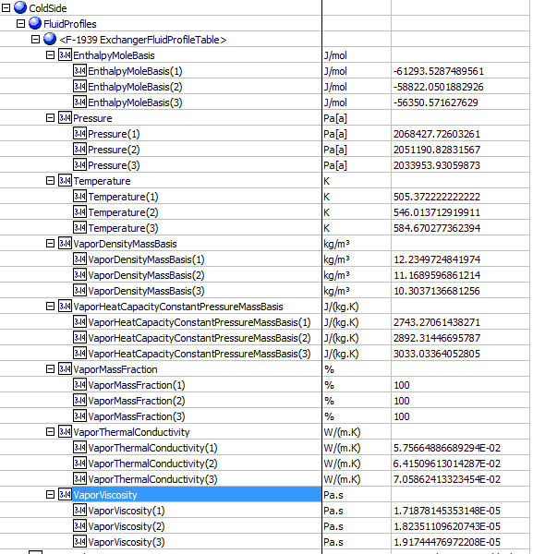
 |  |  |  |  |  | ColdSide
Cold Side
47 | Cold.HeatCurves.Points.Temperature | temperature(K) | HeatingCoolingCurve.Temperature (K)
 |  | 1 | 1 | 505.37222222 | K
 |  | 2 | 2 | 535.45685435 | K
 |  | 3 | 3 | 564.4209434 | K
48 | Cold.HeatCurves.Points.Pressure | pressure | HeatingCoolingCurve.Pressure
 |  | 1 | 1 | 2068.427726 | kPa
 |  | 2 | 2 | 2051.1908 | kPa
 |  | 3 | 3 | 2033.9539 | kPa
49 | Cold.HeatCurves[].Points[].EnthalpyMoleBasis | EnthalpyMoleBasis | HeatingCoolingCurve.EnthalpyMassBasis
 |  | 1 | 1 | -70456.365473 | kJ/kgmole
 |  | 2 | 2 | -67652.8469 | kJ/kgmole
 |  | 3 | 3 | -64849.3282 | kJ/kgmole
50 | Cold.HeatCurves[].Points[].Vapor.MassFraction | vapor mass fraction | HeatingCoolingCurve.VaporMassFraction
 |  | 1 | 1 | 1
 |  | 2 | 2 | 1
 |  | 3 | 3 | 1
51 | Cold.HeatCurves[].Points[].Vapor.MassDensity | vapor density | HeatingCoolingCurve.VaporDensityMassBasis
 |  | 1 | 1 | 12.234972484 | kg/m3
 |  | 2 | 2 | 11.472406839 | kg/m3
 |  | 3 | 3 | 10.823355222 | kg/m3
52 | Cold.HeatCurves[].Points[].Liquid.MassDensity | liquid density | HeatingCoolingCurve.LiquidDensityMassBasis
 |  | 1 | 1 | <empty> | kg/m3
 |  | 2 | 2 | <empty> | kg/m3
 |  | 3 | 3 | <empty> | kg/m3
53 | Cold.HeatCurves[].Points[].Vapor.Viscosity | vapor viscosity | HeatingCoolingCurve.VaporViscosity
 |  | 1 | 1 | 1.72E-05 | cP
 |  | 2 | 2 | 1.80E-05 | cP
 |  | 3 | 3 | 1.87E-05 | cP
54 | Cold.HeatCurves[].Points[].Liquid.Viscosity | liquid viscosity | HeatingCoolingCurve.LiquidViscosity
 |  | 1 | 1 | <empty> | cP
 |  | 2 | 2 | <empty> | cP
 |  | 3 | 3 | <empty> | cP
55 | Cold.HeatCurves[].Points[].Vapor.ThermalConductivity | vapor thermal conductivity | HeatingCoolingCurve.VaporThermalConductivity
 |  | 1 | 1 | 5.76E-02 | W/m-K
 |  | 2 | 2 | 6.24E-02 | W/m-K
 |  | 3 | 3 | 6.72E-02 | W/m-K
56 | Cold.HeatCurves[].Points[].Liquid.ThermalConductivity | liquid thermal conductivity | HeatingCoolingCurve.LiquidThermalConductivity
 |  | 1 | 1 | <empty> | W/m-K
 |  | 2 | 2 | <empty> | W/m-K
 |  | 3 | 3 | <empty> | W/m-K
59 | Cold.HeatCurves[].Points[].Liquid.SurfaceTension | liquid surface tension | HeatingCoolingCurve.LiquidSurfaceTension
 |  | 1 | 1 | <empty> | dyne/cm
 |  | 2 | 2 | <empty> | dyne/cm
 |  | 3 | 3 | <empty> | dyne/cm
60 | Cold.HeatCurves[].Points[].Liquid.CriticalPressure | liquid critical pressure | HeatingCoolingCurve.LiquidCriticalPressure
 |  | 1 | 1 | <empty> | kPa
 |  | 2 | 2 | <empty> | kPa
 |  | 3 | 3 | <empty> | kPa
61 | Cold.HeatCurves[].Points[].Liquid.CriticalTemperature | liquid critical temperature | HeatingCoolingCurve.LiquidCriticalTemperature
 |  | 1 | 1 | <empty> | K
 |  | 2 | 2 | <empty> | K
 |  | 3 | 3 | <empty> | K

Air Cooled
File name | air cooler_2.0 rigorous.hsc
Unit Operation | AC-100

Workflow
1. Open attached air cooler_2.0 rigorous.hsc file.
2. Click on the Datasheet button on the ribbon.
3. Select a server to connect, then connect to a workspace.
4. Go to Mapper tab, click on the hyperlink of AC-100 to open Object Mapping screen.
5. Select 'Air Cooler Heat Exchanger' for the MapAs Column, and 'Create' for Workspace Object column.
6. Make sure the ports of valve are mapped automated.
7. Click on Close icon at the top right to close the Object Mapping screen.
8. Click Save Change and Transfer button.
9. Click on the Explorer tab, click on AC-100 in by Equipment view. Make sure all data are correctly.

Expected Results

Air Cooled (CQ00745132)
 |  |  |  |  |  | PerformanceData
Index Number | Attributes | Hysys Attributes Name | ABE Default Attributes | Hysys Value | Units

1 | heat exchanged | heat exchanged | PerformanceCriteria.PerformanceData(1).HeatDuty | 987141.83985 | W
4 | MTD, eff | MTD, eff | PerformanceCriteria.Lmtd | 274.76855466 | K
5 | Transfer Rate -Finned | Transfer Rate -Finned | PerformanceCriteria.OverallHeatTransferCoefficient | 27.9 | W/(m2.K)
16 | Fouling resistance | Fouling resistance | PerformanceCriteria.PerformanceData(1).FoulingResistance | 0 | m2. K/W |  |  | Others
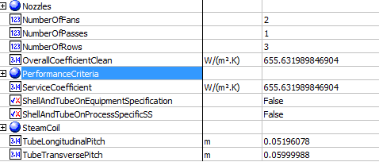
 |  |  |  |  |  | Others
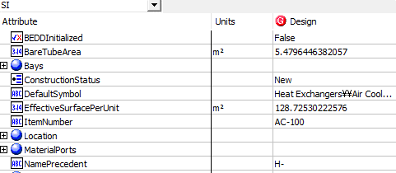
2 | Surface/Unit-Finned Tube | Surface/Unit-Finned Tube | EffectiveSurfacePerUnit | 128.72530223 | m2
3 | Bare tube area | Bare tube area | Bare tube area | 5.5 | m2
6 | Transfer Rate - Bare | Transfer Rate - Bare | ServiceCoefficient | 655.63198985 | W/(m2.K)
7 | Transfer Rate - Clean | Transfer Rate - Clean | OverallCoefficientClean | 655.63198985 | W/(m2.K)
57 | No. of Tube Rows | No. of Tube Rows | NumberOfRows | 3
66 | header no. of passes | header no. of passes | NumberOfPasses | 1
76 | tube transverse pitch | tube transverse pitch | TubeTransversePitch | 60 | mm
77 | tube longitudinal pitch | tube longitudinal pitch | TubeLongitudinalPitch | 51.96 | mm
84 | No. of Fans per bay | No. of Fans per bay | NumberOfFans | 2

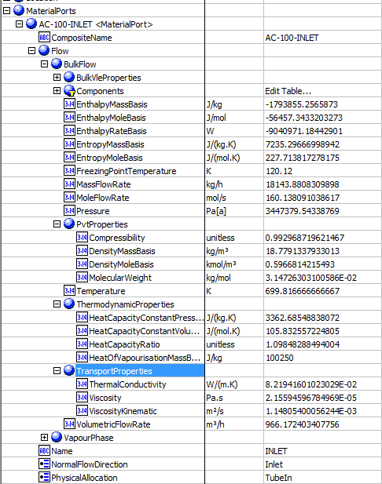
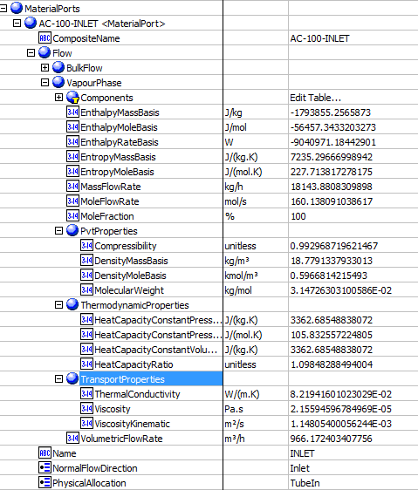


 |  |  |  |  |  | MaterialPorts-TubeInlet-BulkFlow |  | MaterialPorts-TubeInlet-VapourPhase |  | MaterialPorts-TubeOutlet-BulkFlow | MaterialPorts-TubeOutlet-VapourPhase
8 | tube side mass flow rate | tube side mass flow rate | MaterialPorts[PhysicalAllocation=TubeIn].Flow.BulkFlow.MassFlowRate | 18143.880976 | kg/h
9 | Tube side dew point | Tube side dew point | MaterialPorts[PhysicalAllocation=TubeIn].Flow.BulkFlow.BulkVleProperties.DewPointTemperature | 307.293 | K
10 | TubeSidebuble point | TubeSideInletPressure | MaterialPorts[PhysicalAllocation=TubeIn].Flow.BulkFlow.BulkVleProperties.BubblePointTemperature | 382.4298 | K
11 | Tube side freeze point | Tube side freeze point | MaterialPorts[PhysicalAllocation=TubeIn].Flow.BulkFlow.FreezingPointTemperature | Blank | K
12 | Tube side latent heat | Tube side latent heat | MaterialPorts[PhysicalAllocation=TubeIn].Flow.BulkFlow.ThermodynamicProperties.HeatOfVapourisationMassBasis | 100.25 | kJ/kg
13 | Tube side inlet pressure | Tube side inlet pressure | MaterialPorts[PhysicalAllocation=TubeIn].Flow.BulkFlow.Pressure | 3447.3795434 | kPa
17 | Tube side inlet temperature | Tube side inlet temperature | MaterialPorts[PhysicalAllocation=TubeIn].Flow.BulkFlow.Temperature | 699.81666667 | K
18 | Tube side outlet temperature | Tube side outlet temperature | MaterialPorts[PhysicalAllocation=TubeOut].Flow.BulkFlow.Temperature | 639.87203544 | K
19 | Tube side inlet liquid mass flow rate | Tube side inlet liquid mass flow rate | MaterialPorts[PhysicalAllocation=TubeIn].Flow.LiquidPhase.MassFlowRate | 0 | kg/h
20 | Tube side inlet vapor mass flow rate | Tube side inlet vapor mass flow rate | MaterialPorts[PhysicalAllocation=TubeIn].Flow.VapourPhase.MassFlowRate | 18143.880976 | kg/h
21 | Tube side outlet liquid mass flow rate | Tube side outlet liquid mass flow rate | MaterialPorts[PhysicalAllocation=TubeOut].Flow.LiquidPhase.MassFlowRate | 0 | kg/h
22 | Tube side outlet vapor mass flow rate | Tube side outlet vapor mass flow rate | MaterialPorts[PhysicalAllocation=TubeOut].Flow.VapourPhase.MassFlowRate | 18143.880976 | kg/h
23 | Tube side inlet water mass flow rate | Tube side inlet water mass flow rate | MaterialPorts[PhysicalAllocation=TubeIn].Flow.CoolingWater.MassFlowRate | empty | kg/h
24 | Tube side inlet steam mass flow rate | Tube side inlet steam mass flow rate | MaterialPorts[PhysicalAllocation=TubeIn].Flow.Steam.MassFlowRate | empty | kg/h
25 | Tube side outlet water mass flow rate | Tube side outlet water mass flow rate | MaterialPorts[PhysicalAllocation=TubeOut].Flow.CoolingWater.MassFlowRate | empty | kg/h
26 | Tube side outlet steam mass flow rate | Tube side outlet steam mass flow rate | MaterialPorts[PhysicalAllocation=TubeOut].Flow.Steam.MassFlowRate | empty | kg/h
27 | Tube side inlet noncondensable flow rate | Tube side inlet noncondensable flow rate | MaterialPorts[PhysicalAllocation=TubeIn].Flow.NonCondensibles.MassFlowRate | 0 | kg/h
28 | Tube side outlet noncondensable flow rate | Tube side outlet noncondensable flow rate | MaterialPorts[PhysicalAllocation=TubeOut].Flow.NonCondensibles.MassFlowRate | 0 | kg/h
29 | Tube side inlet vapor molecular weight | Tube side inlet vapor molecular weight | MaterialPorts[PhysicalAllocation=TubeIn].Flow.VapourPhase.PVTProperties.MolecularWeight | 31.47263031 | g/mol
30 | Tube side inlet noncondensable molecular weight | Tube side inlet noncondensable molecular weight | MaterialPorts[PhysicalAllocation=TubeIn].Flow.NonCondensibles.PVTProperties.MolecularWeight | Blank | g/mol
31 | Tube side outlet vapor molecular weight | Tube side outlet vapor molecular weight | MaterialPorts[PhysicalAllocation=TubeOut].Flow.VapourPhase.PVTProperties.MolecularWeight | 31.47263031 | g/mol
32 | Tube side outlet noncondensable molecular weight | Tube side outlet noncondensable molecular weight | MaterialPorts[PhysicalAllocation=TubeOut].Flow.NonCondensibles.PVTProperties.MolecularWeight | non-editable
33 | Tube side inlet liquid viscosity | Tube side inlet liquid viscosity | MaterialPorts[PhysicalAllocation=TubeIn].Flow.LiquidPhase.TransportProperties.Viscosity | Blank | cP
34 | Tube side inlet vapor viscosity | Tube side inlet vapor viscosity | MaterialPorts[PhysicalAllocation=TubeIn].Flow.VapourPhase.TransportProperties.Viscosity | 0.0216 | cP
35 | Tube side outlet liquid viscosity | Tube side outlet liquid viscosity | MaterialPorts[PhysicalAllocation=TubeOut].Flow.LiquidPhase.TransportProperties.Viscosity | Blank | cP
36 | Tube side outlet vapor viscosity | Tube side outlet vapor viscosity | MaterialPorts[PhysicalAllocation=TubeOut].Flow.VapourPhase.TransportProperties.Viscosity | 0.0202 | cP
37 | Tube side inlet liquid specific heat capacity | Tube side inlet liquid specific heat capacity | MaterialPorts[PhysicalAllocation=TubeIn].Flow.LiquidPhase.ThermodynamicProperties.HeatCapacityConstantVolumeMassBasis | Blank | kJ/(kg.K)
38 | Tube side inlet vapor specific heat capacity | Tube side inlet vapor specific heat capacity | MaterialPorts[PhysicalAllocation=TubeIn].Flow.VapourPhase.ThermodynamicProperties.HeatCapacityConstantVolumeMassBasis | 3.363 | kJ/(kg.K)
39 | Tube side outlet liquid specific heat capacity | Tube side outlet liquid specific heat capacity | MaterialPorts[PhysicalAllocation=TubeOut].Flow.LiquidPhase.ThermodynamicProperties.HeatCapacityConstantVolumeMassBasis | Blank | kJ/(kg.K)
40 | Tube side outlet vapor specific heat capacity | Tube side outlet vapor specific heat capacity | MaterialPorts[PhysicalAllocation=TubeOut].Flow.VapourPhase.ThermodynamicProperties.HeatCapacityConstantVolumeMassBasis | 3.172 | kJ/(kg.K)
41 | Tube side inlet liquid thermal conductivity | Tube side inlet liquid thermal conductivity | MaterialPorts[PhysicalAllocation=TubeIn].Flow.LiquidPhase.TransportProperties.ThermalConductivity | Blank | W/(m.K)
42 | Tube side inlet vapor thermal conductivity | Tube side inlet vapor thermal conductivity | MaterialPorts[PhysicalAllocation=TubeIn].Flow.VapourPhase.TransportProperties.ThermalConductivity | 0.0822 | W/(m.K)
43 | Tube side outlet liquid thermal conductivity | Tube side outlet liquid thermal conductivity | MaterialPorts[PhysicalAllocation=TubeOut].Flow.LiquidPhase.TransportProperties.ThermalConductivity | Blank | W/(m.K) | MaterialPort-AirInlet |  | MaterialPort-AirOutlet

44 | Tube side outlet vapor thermal conductivity | Tube side outlet vapor thermal conductivity | MaterialPorts[PhysicalAllocation=TubeOut].Flow.VapourPhase.TransportProperties.ThermalConductivity | 0.0726 | W/(m.K)
45 | Tube side inlet liquid density | Tube side inlet liquid density | MaterialPorts[PhysicalAllocation=TubeIn].Flow.LiquidPhase.PvtProperties.DensityMassBasis | Blank | kg/m3
46 | Tube side inlet vapor density | Tube side inlet vapor density | MaterialPorts[PhysicalAllocation=TubeIn].Flow.VapourPhase.PvtProperties.DensityMassBasis | 18.78 | kg/m3
47 | Tube side outlet liquid density | Tube side outlet liquid density | MaterialPorts[PhysicalAllocation=TubeOut].Flow.LiquidPhase.PvtProperties.DensityMassBasis | Blank | kg/m3
48 | Tube side outlet vapor density | Tube side outlet vapor density | MaterialPorts[PhysicalAllocation=TubeOut].Flow.VapourPhase.PvtProperties.DensityMassBasis | 20.61 | kg/m3
49 | Inlet air temperature | Inlet air temperature | MaterialPorts[PhysicalAllocation="ShellIn"].Flow.BulkFlow.Temperature | 298.15 | K
50 | air mass flowrate | air mass flowrate | MaterialPorts[PhysicalAllocation="ShellIn"].Flow.BulkFlow.MassFlowRate | 19700.1211 | kg/h
52 | outlet air temperature | outlet air temperature | MaterialPorts[PhysicalAllocation="ShellOut"].Flow.BulkFlow.Temperature | 475.93604363 | K
53 | air flow rate/fan | air flow rate/fan | MaterialPorts[PhysicalAllocation="ShellIn"].Flow.BulkFlow.VolumetricFlowRate | 8317.4 | m3/h



 |  |  |  |  |  | Bays -Bundles | Bays -Fans |  | Bays-Material Ports
14 | Tube side Pressure drop allow | Tube side Pressure drop allow | Bays.Bundles.MaximumDesignCriteria.PressureDrop | 44.473795434 | kPa
15 | pl | pl | Bays.Bundles.NormalDesignCriteria.PressureDrop | 14.698003832 | kPa
51 | air volumetric flow rate | air volumetric flow rate | Bays.MaterialPorts(1).Flow.BulkFlow.VolumetricFlowRate | 16634.7878 | m3/h
55 | Tube bundle length | Tube bundle length | Bays.Bundles.Length | 2.6 | m
56 | bundle No. / Bay | bundle No. / Bay | Bays.Bundles.NumberPerBay | 1
58 | No. of tubes per bundle | No. of tubes per bundle | Bays.Bundles.TotalNumberOfTubes | 42
59 | tube material | tube material | Bays.Bundles.TubeType(1).MaterialOfConstruction.MaterialName | Carbon Steel
60 | Fin material | Fin material | Bays.Bundles.TubeType(1).Extends.MaterialOfConstruction.MaterialName | Aluminum 1060
61 | Fin type | Fin type | Bays.Bundles.TubeType(1).Externals.FinType | G-finned
62 | Fin thickness | Fin thickness | Bays.Bundles.TubeType(1).Externals.BaseThickness | 0.28 | mm
63 | header type | header type | Bays.Headers.Type | Box
64 | header material | header material | Bays.Headers.MaterialOfConstruction.MaterialName | Carbon Steel
65 | header corrosion allowence | header corrosion allowence | Bays.Bundles.TubeType(1).MaterialOfConstruction.CorrosionAllowance | Blank | mm
67 | header plug material | header plug material | Bays.Headers.PlugMaterial.MaterialName | Blank
68 | header gasket material | header gasket material | Bays.Bundles.Gasket.BodyMaterial.MaterialName | Blank
73 | tube O.D | tube O.D | Bays.Bundles.TubeType(1).OuterDiameter | 25.4 | mm
75 | tube length | tube length | Bays.Bundles.TubeType(1).EffectiveLength | 2 | m
78 | tube layout | tube layout | Bays.Bundles.TubeLayout | 30 | Degrees |  | Bays-Headers

82 | Fin OD | Fin OD | Bays.Bundles.TubeType(1).Externals.OuterDiameter | 57.15 | mm
83 | Fan model | Fan model | Bays.Fans.Model | Blank
85 | speed RPM | speed RPM | Bays.Fans.Rpm | Blank
86 | Fan diameter | Fan diameter | Bays.Fans.FanDiameter | 0.6096 | m
87 | No. of blades | No. of blades | Bays.Fans.NumberOfBlades | Blank
88 | driver type | driver type | Bays.Fans.Drive.Type | Program
89 | no. driver per bay | no. driver per bay | Bays.Fans.Drive.NumberInService | Blank
90 | driver speed RPM | driver speed RPM | Bays.Fans.Drive.Rpm | Blank
91 | driver enclosure | driver enclosure | Bays.Fans.Drive.Enclosed | Blank
92 | driver volt | driver volt | Bays.Fans.Motors.Volts | Blank
93 | driver phase | driver phase | Bays.Fans.Motors.Phase | Blank
94 | driver cycle | driver cycle | Bays.Fans.Motors.Cycle | Blank
98 | no. of speed reducer per bay | no. of speed reducer per bay | Bays.NumberOfSpeedReducers | Blank |  |  | SteamCoil
 |  |  |  |  |  | Location

54 | altitude | altitude | Location.ElevationHeight | 0 | m


69 | inlet nozzle number | inlet nozzle number | Nozzles[NozzleFunction="Inlet"].Number | 1
70 | inlet nozzle size | inlet nozzle size | Nozzles[NozzleFunction="Inlet"].NominalSize | 146.33 | mm | Nozzles
71 | outlet nozzle number | outlet nozzle number | Nozzles[NozzleFunction="Outlet"].Number | 1
72 | outlet nozzle size | outlet nozzle size | Nozzles[NozzleFunction="Outlet"].NominalSize | 122.25 | mm

74 | tube minimum wall thickness | tube minimum wall thickness | SteamCoil.Bundle.TubeType(1).WallThickness | 1.65 | mm

95 | speed reducer type | speed reducer type | Reducer.Type | Blank
96 | speed reducer manufacturer | speed reducer manufacturer | Reducer.Manufacturer | Blank
97 | speed reducer model | speed reducer model | Reducer.Model | Blank
99 | speed ratio | speed ratio |  | Blank

FireHeater
File name | fireheater.hsc
Unit Operation | FH-100

Workflow
1. Open attached fireheater.hsc file.
2. Click on the Datasheet button on the ribbon.
3. Select a server to connect, then connect to a workspace.
4. Go to Mapper tab, click on the hyperlink of FH-100 to open Object Mapping screen.
5. Select 'FiredHeater' for the MapAs Column, and 'Create' for Workspace Object column.
6. Make sure the ports of valve are mapped automated.
7. Click on Close icon at the top right to close the Object Mapping screen.
8. Click Save Change and Transfer button. Make sure FH-100 is created and data transfer complete dialog pops up. Click OK to close it.

Expected Results


FireHeater (CQ00748793)
 |  |  |  |  |  | Permance Data
Index Number | Attributes | AbeAds Class View | ABE Class/Firedheater | Hysys Data | Unit

1 | Heater Duty | Duty | PerformanceCriteria.PerformanceData(1).HeatDuty | 181425520.12 | kJ/h
5 | Process fluid pressure drop, calculated | PressureDropCalculated | PerformanceCriteria.PerformanceData(1).CleanPressureDrop | 0 | kPa
6 | Average Rad. Sec.flux.density (calculated) | AvgRadiantSectionFluxDensityCalculated | PerformanceData.AverageCalculatedRadiantSectionThermalFluxDensity | 123.3 | kW/m2
7 | Max.Rad.Sec.flux.density | MaxRadiantSectionFluxDensity | PerformanceData.MaximumRadiantSectionThermalFluxDensity | 196 | kW/m2
8 | Conv.sec.flux.density | ConvectionSectionFluxDensity | PerformanceData.ConvectionSectionThermalFluxDensity | Blank | kW/m2
34 | Calculated heat release | VolumetricHeatReleaseCalculated | PerformanceData.VolumetricHeatRelease | 167732.2 | kW
35 | Fuel efficiency calculated | FuelEfficiencyCalc | PerformanceData.FuelEfficiencyCalculatedLowerHeatingValue | 30.03044 | %
36 | Fuel gas temperature leaving Radiant section | FuelGasTempRadiantSection | PerformanceData.FlueGasTemperatureLeavingRadiantSection | 1639 | K
37 | Fuel Gas temperature leaving convection section | FuelGasTemperatureConvectionSection | PerformanceData.FlueGasTemperatureLeavingConvectionSection | 1639 | K
38 | Fuel gas temperature leaving air preheater | FuelGasTemperatureAirPreheater | PerformanceData.FlueGasTemperatureLeavingAirPreheater | Blank | K
39 | Fuel gas flowrate | FuelGasFlowRate | PerformanceData.FlueGasMassFlowRate | 12068 | kg/h
40 | Fuel gas mass velocity thru Convection section | FuelGasMassVelocity | PerformanceData.FlueGasMassVelocityThroughConvectionSection | Blank | kg/s/m2
41 | Draft at arch | DraftAtArch | PerformanceData.DraftAtArch | 105.4 | Pa
42 | Draft at burners | DraftAtBurners | PerformanceData.DraftAtBurners | -68.8 | Pa

4 | Process fluid pressure drop, allowable | PressureDropAllowable | MinimumDesignCriteria.PressureDrop | 507.107 | kPa
10 | Maximum Calc Inside Film Temp | MaxCalcInsideFilmTemp |  | 703 | K
11 | Fouling factor | FoulingFactor | HotSide.FoulingResistance | 0 | m2-K/W
43 | Ambient air temperature (efficiency calculation) | AmbientAirTemperatureEfficiencyCalculation | Location.MinimumAmbientTemperature | 293.15 | K
44 | Ambient air temperature (stack of design） | AmbientAirTemperatureStackDesign | Stack.Location.RatedAmbientTemperature | 293.15 | K
58 | Tube layout | TubeLayout | DesignCriteria.TubeLayout | Blank
59 | Tube spacing (center to center horizontal) | TubeSpacing |  | 914.4 | mm
66 | Extension ratio (total area/bare area) | ExtensionRatio | FiredHeaterSection(*).Bundle.TubeType[TubeType='Low fin'].Externals.RatioTubeOutsideToTubeInsideArea | Blank



 |  |  |  |  |  | Material Ports-Inlet | Material Ports-Outlet
2 | Fluid Mass Flowrate | MassFlowRate | MaterialPorts[Name="Inlet"].Flow.BulkFlow.MassFlowRate | 513447.35613 | kg/h
3 | Fluid Volumetric Flowrate | VolumeFlowRate | MaterialPorts[Name="Inlet"].Flow.BulkFlow.VolumetricFlowRate | 705.25482987 | m3/h
12 | Inlet Temperture | TemperatureIn | MaterialPorts[Name="Inlet"].Flow.BulkFlow.Temperature | 505 | K
13 | Inlet Pressure | PressureIn | MaterialPorts[Name="Inlet"].Flow.BulkFlow.Pressure | 517.107 | kPa
14 | Inlet Liquid Flow | LiquidMassFlowIn | MaterialPorts[Name="Inlet"].Flow.LiquidPhase.MassFlowRate | 513446 | kg/h
15 | Inlet Vapor Flow | VaporMassFlowIn | MaterialPorts[Name="Inlet"].Flow.VapourPhase.MassFlowRate | 1 | kg/h
16 | Inlet Liquid Viscosity | LiquidViscosityIn | MaterialPorts[Name="Inlet"].Flow.LiquidPhase.TransportProperties.Viscosity | 0.4216 | cP
17 | Inlet Vapor Viscosity | VaporViscosityIn | MaterialPorts[Name="Inlet"].Flow.VapourPhase.TransportProperties.Viscosity | Blank | cP
18 | Inlet liquid specifc heat | LiquidSpecificHeatIn | MaterialPorts[Name="Inlet"].Flow.LiquidPhase.EntropyMassBasis | 2.625 | kJ/(kg-K)
19 | Inlet Vapor specific heat | VaporSpecificHeatIn | MaterialPorts[Name="Inlet"].Flow.VapourPhase.EntropyMassBasis | Blank | kJ/(kg-K)
20 | Inlet Liquid thermal conductivity | LiquidThermalConductivityIn | MaterialPorts[Name="Inlet"].Flow.LiquidPhase.TransportProperties.ThermalConductivity | 0.0853 | W/(m-K)
21 | Inlet Vapor thermal conductivity | VaporThermalConductivityIn | MaterialPorts[Name="Inlet"].Flow.VapourPhase.TransportProperties.ThermalConductivity | Blank | W/(m-K)
22 | Outlet temperture | TemperatureOut | MaterialPorts[Name="Outlet"].Flow.BulkFlow.Temperature | 616 | K
23 | Outlet pressure | PressureOut | MaterialPorts[Name="Outlet"].Flow.BulkFlow.Pressure | 517.107 | kPa
24 | Outlet liquid flow | LiquidMassFlowOut | MaterialPorts[Name="Outlet"].Flow.LiquidPhase.MassFlowRate | 411716 | kg/h
25 | Outlet vapor flow | VaporMassFlowOut | MaterialPorts[Name="Outlet"].Flow.VapourPhase.MassFlowRate | 101731 | kg/h
26 | Outlet liquid visvosity | LiquidViscosityOut | MaterialPorts[Name="Outlet"].Flow.LiquidPhase.TransportProperties.Viscosity | 0.1959 | cP
27 | Outlet vapor viscosity | VaporViscosityOut | MaterialPorts[Name="Outlet"].Flow.VapourPhase.TransportProperties.Viscosity | 0.0119 | cP
28 | Outlet liquid specific heat | LiquidSpecificHeatOut | MaterialPorts[Name="Outlet"].Flow.LiquidPhase.EntropyMassBasis | 2.989 | kJ/(kg-K)
29 | Outlet vapor specific heat | VaporSpecificHeatOut | MaterialPorts[Name="Outlet"].Flow.VapourPhase.EntropyMassBasis | 2.679 | kJ/(kg-K)
30 | Outlet liquid thermal conductivity | LiquidThermalConductivityOut | MaterialPorts[Name="Outlet"].Flow.LiquidPhase.TransportProperties.ThermalConductivity | 0.0842 | W/(m-K)
32 | Type of fuel | FuelType | MaterialPorts[Name="Fuel"].Flow.Name | Fuel Mix
31 | Outlet vapor thermal conductivity | VaporThermalConductivityOut | MaterialPorts[Name="Outlet"].Flow.VapourPhase.TransportProperties.ThermalConductivity | 0.0366 | W/(m-K)



 |  |  |  |  |  | Burner and FiredHeaterSection | Others
33 | Excess air | ExcessAir | Burners(*).ExcessAir | 10 | %
9 | Process Fluid Mass Velocity | ProcessFluidMassVelocity | FiredHeaterSection(1).MassFlowRatePerArea | 987.85 | kg/s/m2
45 | Tube Orientation | TubeOrientation | FiredHeaterSection(*).Bundle.UbendOrientation | Vertical
46 | Tube Material | TubeMaterialOfConstruction |  | carbon stell
47 | Tube Outside Diameter | TubeOutsideDiameter | FiredHeaterSection(*).Bundle.TubeType[TubeType='Plain'].OuterDiameter | 457.2 | mm
48 | Tube Wall thickness | TubeWallThickeness | FiredHeaterSection(*).Bundle.TubeType[TubeType='Plain'].WallThickness | Blank | mm
49 | Number of flow passes | NumberOfFlowPasses | FiredHeaterSection(*).Bundle.NumberOfPasses | 1
50 | Number of tubes | NumberOfTubes | FiredHeaterSection(*).Bundle.TotalNumberOfTubes | 14
51 | Number of tube rows | NumberOfTubeRows | FiredHeaterSection(*).Bundle.NumberOfRows | Blank
52 | Number of tubes per row | NumberOfTuberPerRow | FiredHeaterSection(*).NumberofTubesPerRow | Blank
53 | Effective tube length | EffectiveTubeLength | FiredHeaterSection(*).Bundle.TubeType[TubeType='Plain'].HeatedLength | 20320 | mm
54 | Bare tubes: number | BareTubesNumber | FiredHeaterSection(*).Bundle.NumberPlainTubes | 14
55 | Bare tubes: total exposed surface | BareTubesTotalExposedSurface | FiredHeaterSection(*).Bundle.SurfaceAreaPlainTubes | 408.6 | m2
56 | Extended surface tubes: number | ExtendedSurfaceTubesNumber | FiredHeaterSection(*).Bundle.NumberExtendedSurfaceTubes | Blank
57 | Extended surface tubes: total exposed surface | ExtendedSurfaceTubesTotalExposedSurface | FiredHeaterSection(*).Bundle.SurfaceAreaExtendedSurfaceTubes | Blank | m2
60 | Extended surface type | ExtendedSurfaceType | FiredHeaterSection(*).Bundle.TubeType[TubeType='Low fin'].Externals.FinType | Blank
61 | Exteneded surface material | ExtendedSurfaceMaterialOfConstruction | FiredHeaterSection(*).Bundle.TubeType[TubeType='Low fin'].Externals.MaterialOfConstruction.MaterialName | Blank
62 | Extended surface dimension Height | ExtendedSurfaceHeight | FiredHeaterSection(*).Bundle.TubeType[TubeType='Low fin'].Externals.Height | Blank | mm
63 | Extended surface dimension Thickness | ExtendedSurfaceThickness | FiredHeaterSection(*).Bundle.TubeType[TubeType='Low fin'].Externals.AverageThickness | Blank | mm
64 | Extended surface dimension Spacing | ExtendedSurfaceSpacing | FiredHeaterSection(*).Bundle.TubeType[TubeType='Low fin'].Externals.NumberOfFinsPerUnitLength | Blank | #/m
65 | Max tip temperature | MaxTipTemperature | FiredHeaterSection(*).Bundle.TubeType[TubeType='Low fin'].Externals.FinSelectionTemperature | Blank | K

Column
File name | Acid Gas Cleaning using MDEA.hsc local exmaple
Unit Operation | Regenerator

Workflow
1. Open Acid Gas Cleaning using MDEA.hsc localexmaple file.
2. Click on the Datasheet button on the ribbon.
3. Select a server to connect, then connect to a workspace.
4. Go to Mapper tab, click on the hyperlink of TS1 to open Object Mapping screen.
5. Select 'Column' for the MapAs Column, and 'Create' for Workspace Object column.
6. Make sure the ports of valve are mapped automated.

7. Click on Close icon at the top right to close the Object Mapping screen.
8. Click Save Change and Transfer button.
9. Click on the Explorer tab, expand the control vavle to see all attributes, make sure all data are transferred correctly.
10. repeat steps 4 to 8 for Main TS object
 |  |  | Notes:
Expected Results |  |  | 1. Results in black with Acid Gas Cleaning with MEDA.hsc
 |  |  | 2. Results in green, please use
Column

Tray Section | Main TS
Index Number | Attributes | AbeAds Class View | ABE Class/Ads Tray Section | Hysys Data | Unit

1 | Feed Tray Number |  | FeedTrayNumber(1) | 1_Main TS
2 | Alternate Feed Location (same with Feed Tray Number) |  | AlternateFeedTrayLocation | 1_Main TS, blank
3 | Top Tray Pressure |  | TopTrayPressure | 165.47422 | kPa
4 | Feed Tray Pressure |  | FeedTrayPressure(1) | 165.47422 | kPa
57 | Number of Pump Arounds |  | NumberOfPumpArounds | 0
58 | Number of Tray sizing sections |  |  | 1


59 | BoilupRatio |  | BoilUpRatio | 0.19200874138
60 | CondenserDuty |  | CondenserDuty | 929787.685 | W
61 | ReboilerDuty |  | ReboilerDuty | 1758426.8 | W
62 | ReboilerType |  | ReboilerType | Regular
63 | Reflux Ratio |  | RefluxRatio | 2.9180630218

Column Section | Main TS
6 | Vessel Section |  |  | CS1
35 | number of theorectical stages in each section |  | NumberOfTheoreticalStages | 20
51 | tower inside diameter |  |  | 5.1816 | m | which is the attribute name???
52 | packed height |  | PackedHeight | 4.498848 | m | not supported
53 | packing type |  | PackingType | PALL |  | not supported
54 | packing size |  | PackingSize | 1.5-IN OR 38-MM, 35 in |  | TS-1
55 | surface area |  | SurfaceArea | 130, 140 | m2/m3 | TS-1
56 | section pressure drop |  |  | 17.001939421 | mbar | which is the attribute name???
23 | Tower section diameter |  | TrayDiameter | 0.9144 | m
24 | number of passes in section |  | NumberOfPasses | 1
25 | tray spacing |  | TraySpacing | 0.6096 | m
26 | column cross sectional area |  | CrossSectionalArea | 0.65669289291 | m2
27 | active area |  | ActiveArea | 0.46969497968 | m2
28 | hole area as A% of active area |  | EffectiveHoleArea | 0.1 | unitless
29 | downcomer width top (side) |  | SideDowncomerWidthTop | 182.88001938 | mm
30 | downcomer width bottom (bottom) |  | SideDowncomerWidthBottom | 182.88001938 | mm
31 | downcomer area top (side) |  | SideDowncomerAreaTop | 9.35E-02 | m2
32 | downcomer area bottom (side) |  | SideDowncomerAreaBottom | 9.35E-02 | m2
33 | Total weir length |  | SideWeirlength | 0.73152002907 | m
69 | MaxCapacityFactor |  | MaxCapacityFactor | 0.0723885734342131, 0.018735 | m/s | TS-1
68 | MaxFractionalCapacity |  | MaxFractionalCapacity | 84.4677044721903, 68.9364822651301 | % | TS-1
65 | StichlmairConstant1 |  | StichlmairConstant1 | 1.00589, 48 |  | TS-1
66 | StichlMairConstant2 |  | StichlmairConstant2 | 1.11407, 8 |  | TS-1
67 | StichlMairConstant3 |  | StichlmairConstant3 | 2.98252, 2 |  | TS-1
64 | void fraction |  | VoidFraction | 0.95, 0.76 | unitless | TS-1

Trays | Main TS | AbeAdsColumnSection
9 | Tray Number | Trays(1).TrayNumber |  | 1
10 | vapor to tray temperature | Trays(1).VaporToTrayTemperature |  | 379.587089 | K

11 | Vapor to tray pressure | Trays(1).VaporToTrayPressure |  | 165.47422 | kPa
12 | vapor to tray mass flow | Trays(1).VaporToTrayMassFlow |  | 2766.9368104 | kg/h
13 | vapor to tray actual volumetic flow | Trays(1).VaporToTrayActualVolFlow |  | 2009.9463827 | m3/h
14 | Vapor to Tray molecular weight | Trays(1).VaporToTrayMolecularWeight |  | 22.730553849 | g/mol
15 | Vapor to tray density | Trays(1).VaporToTrayDensity |  | 1.1936735789 | kg/m3
16 | Liquid from tray temperature | Trays(1).LiquidFromTrayTemperature |  | 378.377966 | K
17 | Liquid from tray actual volumetric flow | Trays(1).LiquidFromTrayActualVolFlow |  | 26.170768122 | m3/h
18 | Liquid from tray mass flow | Trays(1).LiquidFromTrayMassFlow |  | 26103.952963 | kg/h
19 | liquid from tray dynamic viscosity | Trays(1).LiquidFromTrayDynamicViscosity |  | 0.81062511614 | cP
20 | liquid from tray density | Trays(1).LiquidFromTrayDensity |  | 997.44695458 | kg/m3
21 | liquid from tray surface tension | Trays(1).LiquidFromTraySurfacetension |  | 41.613873563 | dyne/cm
22 | liquid from tray molecular weight | Trays(1).LiquidFromTrayMolecularWeight |  | 28.108998133 | g/mol


Packing | TS-1
34 | Packing section |  |  | CS1 |  | TS-1
36 | Vapor to section temperature | Packing.VaporToSectionTemperature |  | 482.320982922311, 319.871 | K | TS-1
37 | vapor to section pressure | Packing.VaporToSectionPressure |  | 205.759310461053, 5617132.6 | Kpa,Pa | TS-1
38 | vapor to section molecular weight | Packing.VaporToSectionMolecularWeight |  | 155.801395588453, 19.1094 | g/mol | TS-1
39 | vapor to section density | Packing.VaporToSectionDensity |  | 8.51279799838783, 45.587 | kg/m3 | TS-1
40 | vapor to section dynamic viscosity | Packing.VaporToSectionDynamicViscosity |  | 9.6072397361 | cP | TS-1
41 | vapor to section mass flow | Packing.VaporToSectionMassFlow |  | 335646.1922 | kg/h | TS-1
42 | vapor to section actual volumetric flow | Packing.VaporToSectionActualVolFlow |  | 11.85 | m3/s | TS-1
43 | liquid to section temperature | Packing.LiquidToSectionTemperature |  | 419.81567988 | K | TS-1
44 | liquid to section pressure | Packing.LiquidToSectionPressure |  | 197.87958579 | kPa | TS-1
45 | liquid to section molecular weight | Packing.LiquidToSectionMolecularWeight |  | 165.21699779 | g/mol | TS-1
46 | liquid to section density | Packing.LiquidToSectionDensity |  | 610.10530355 | kg/m3 | TS-1
47 | liquid to section dynamic viscosity | Packing.LiquidToSectionDynamicViscosity |  | 9.17E-02 | cP | TS-1
48 | liquid to section surface tension | Packing.LiquidToSectionSurfaceTension |  | 11.043597242 | dyne/cm | TS-1
49 | liquid to section mass flow | Packing.LiquidToSectionMassFlow |  | 445309.06454 | kg/h | TS-1
50 | liquid to section volumetric flow rate | Packing.LiquidtoSectionVolFlow |  | 0.20274690558 | m3/s | TS-1

PumpAround
70 | Drawstage |  |  | 2_Main TS |  | which is the attribute name???
71 | return stage |  |  | 1_Main TS |  | which is the attribute name???
72 | return temperature |  |  | 342.45067218 | K | which is the attribute name???
73 | volumetric flow |  |  | 331.22942652 | m3/h | which is the attribute name???
74 | heat duty |  |  | -16118912.606 | W | which is the attribute name???
75 | draw temperature |  |  | 440.21158262 | K | which is the attribute name???

Streams
File name | Natural Gas Dehydration with TEG.hsc
Unit Operation | TEG to Pump

Workflow
1. Open attached Natural Gas Dehydration.hsc file.
2. Click on the Datasheet button on the ribbon.
3. Select a server to connect, then connect to a workspace.
4. Go to Mapper tab, click on the hyperlink of TEG to Pump, Stream Mapping screen opens.
5. Select 'Primary Stram' for the MapAs Column, and 'Create' for Workspace Object column.
6. Click on Close icon at the top right to close the Stream Mapping screen.
7. Click Save Change and Transfer button.
8. Click on the Explorer tab, click on TEG to Pump in by Folder view. Make sure all data are correctly.

Expected Results
 |  |  |  |  | In ABE
Stream (CQ00730633)

Index Number | Attributes | AbeAdsPump Class View | ABE Default Attributes View | Baseline

11 | Compressbility(Z Factor) | BulkCompressibility (unitless) | NormalFlow. BulkFlow.PvProperties.Compressiblity | 4.17E-03
23 | HeatCapacityRatio(Cp/Cv) | BulkHeatCapacityRatio | NormalFlow. BulkFlow.ThermodynamicProperties.HeatCapacityRatio | 1.0404708651
26 | MassDensity(kg/m3) | BulkMassDensity(kg/m3) | NormalFlow. BulkFlow.PvProperties.DensityMassBasis(kg/m3) | 1032.1271669
27 | MassEnthalpy(J/g) | BulkMassEnthalpy(J/kg) | NormalFlow. BulkFlow.EnthalpyMassBasis(J/kg) | -5.25E+06
28 | MassEntropy(J/g-K) | BulkMassEntropy(J/(kg.K)) | NormalFlow. BulkFlow.EntropyMassBasis(J/kg) | 1.5651522138
29 | MassFlow(kg/h) | BulkMassFlow(kg/h) | NormalFlow. BulkFlow.MassFlowRate(kg/h) | 5.12E+02
30 | MassHeatCapacity(kJ/kg-C) | BulkMassHeatCapacity(J/(kg.K)) | NormalFlow. BulkFlow.ThermodynamicProperties.HeatCapacityConstantPressureMassBasis(J/(kg.K)) | 3.0078343307
32 | MolarDensity(kgmole/m3) | BulkMolarDensity(kmol/m3) | NormalFlow. BulkFlow.PvProperties.DensityMoleBasis(kmol/m3) | 7.3557701922
33 | MolarEnthalpy(J/gmole) | BulkMolarEnthalpy(J/mol) | NormalFlow. BulkFlow.EnthalpyMoleBasis(J/mol) | -7.37E+05
34 | MolarEntropy(J/gmol-K) | BulkMolarEntropy(J/(mol.K)) | NormalFlow. BulkFlow.EntropyMassBasisBulkMolarEntropy(J/(mol.K)) | 219.61481639
35 | MolarFlow(gmol/s) | BulkMolarFlow(mol/s) | NormalFlow. BulkFlow.MoleFlowRate(mol/s) | 1.01E+00
36 | MolarHeatCapacity(J/gmole-K) | BulkMolarHeatCapacity(J/(mol.K) | NormalFlow. BulkFlow.ThermodynamicProperties.HeatCapacityConstantPressureMoleBasis(J/(mol.K) | 422.0452033
38 | MolecularWeight | BulkMolecularWeight(kg/mol) | NormalFlow. BulkFlow.PvProperties.MolecularWeight(kg/mol) | 140.31530892
44 | Pressure (Kpa) | BulkPressure (Pa[a]) | NormalFlow. BulkFlow.Pressure (Pa[a]) | 102.73191009
51 | Surface Tension(N/m) | BulkSurfaceTension(N/m) | NormalFlow. BulkFlow.TransportProperties.SurfaceTension(N/m) | 3.61E-02
52 | Temperature(K) | BulkTemperature(K) | NormalFlow. BulkFlow.Temperature(K) | 402.50246058
53 | ThermalConductivity(W/m-K)) | BulkThermalConductivity(W/(m.K)) | NormalFlow. BulkFlow.TransportProperties.ThermalConductivity(W/(m.K)) | 0.19474090923
58 | Vicosity(cP) | BulkViscosity(Pa.s) | NormalFlow. BulkFlow.TransportProperties.Viscosity(Pa.s) | 1.9238559398
59 | KineticViscosity(cSt) | BulkViscosityKinematic(m2/s) | NormalFlow. BulkFlow.TransportProperties.ViscosityKinematic(m2/s) | 1.86E+00
60 | VolumetricFlow(m3/h) | BulkVolumetricFlow(m3/h) | NormalFlow. BulkFlow.VolumetricFlow(m3/h) | 0.49601940638

